Instructions
Progressive Rehabilitation and Closure Plan Schedule template
Instructions
General Instructions:
- This form can be used for completing a PRCP schedule for the submission of a progressive rehabilitation and closure plan (PRC plan).
- See the PRCP schedule section of the PRC plan guideline (ESR/2019/4964) for further information requirements.
- A default value of one (1) Rehabilitation Area (RA) is represented by one RA sheets below (RA1).
- A default value of one (1) Improvement Area (IA) is represented by one IA sheet below (IA1).
- To record additional RAs for your project make a copy of the RA sheet below and update it to the relevant RA number (i.e. RA2).
- To record additional IAs for your project make a copy of the IA sheet below and update it to the relevant IA number (i.e. IA2).
- To remove the IA sheet if there is no IA for your project, delete the IA sheet below.
- Each RA and IA sheet contains two separate excel tables (yellow and blue) for recording the time-based rehabilitation milestones.
- Add a new column or row to each table as required for your information requirements.
- Two (2) separate sheets below exist for recording the "Rehabilitation Area Milestones" and "Improvement Area Milestones".
- Delete the Improvement Area Milestone sheet if it does not apply to your project.
- Delete additional rows in either sheet if they do not apply to your project.
- See the PRC plan guideline for a list of reference milestones and further information for developing additional site-specific milestones where appropriate.
Further Instructions when inputting PMLUs
Headings under Rehabilitation Area (RA) sheets
Rehabilitation area - The rehabilitation area must align with the spatial information included in the rehabilitation planning part of the PRC plan. This area must have the same PMLU and same milestones applied to the whole area.
Relevant activities - The relevant activities must align with the activities identified in the rehabilitation planning part of the PRC plan. The relevant activities are those undertaken within the rehabilitation area prior to land becoming available for rehabilitation.
Total size of rehabilitation area (ha) - Total size of rehabilitation area in hectares.
Commencement of first milestone - The applicant must nominate a date for when the first milestone for the rehabilitation area will commence. The milestone reference for the first milestone must be included in the heading.
PMLU - The PMLU must align with those identified in the rehabilitation planning part of the PRC plan and in the proposed final site design.
Date area is available - The PRCP schedule must identify when land within the rehabilitation area becomes available for rehabilitation. If the whole rehabilitation area becomes available at once there should be only one date. If the rehabilitation areas becomes available progressively there should be multiple dates. These dates should reflect the information provided in the rehabilitation planning part of the PRC plan.
Cumulative area available (ha) - The PRCP schedule must identify the area of land within the rehabilitation area that will become available at a given time.
Milestone completed by - The PRCP schedule must identify completion dates for milestones to be completed.
Cumulative area achieved (ha) - The PRCP schedule must show how progressive rehabilitation is being achieved over the life of the mine. This section must reflect the proposed rehabilitation work required for the rehabilitation area to achieve stable condition. The milestone reference to be included refers back to the Rehabilitation Area Milestones sheet with the detailed milestone criteria. The milestones must be achieved consecutively.
Headings under Rehabilitation Area Milestones sheet
Rehabilitation milestone & Milestone criteria - The “rehabilitation milestone” is a short description of the rehabilitation activities. The "milestone criteria" must be able to demonstrate achievement of the milestone.
Further Instructions when inputting NUMAs
Headings under Improvement Area (IA) sheets
Improvement area - The improvement area must align with the spatial information included in the rehabilitation planning part of the PRC plan. This area must have the same NUMA and same milestones applied to the whole area.
Relevant activities - The relevant activities must align with the activities identified in the rehabilitation planning part of the PRC plan. The relevant activities are those undertaken within the improvement area prior to land becoming available for improvement.
Total size (ha) - Total size of improvement area in hectares.
Commencement of first milestone - The applicant must nominate a date for when the first milestone for the improvement area will commence. The milestone reference for the first milestone must be included in the heading.
NUMA - The NUMA must align with those identified in the rehabilitation planning part of the PRC plan and in the proposed final site design.
Date area is available - The PRCP schedule must identify when land within the improvement area becomes available for improvement. If the whole improvement area becomes available at once there should be only one date. If the improvement areas becomes available progressively there should be multiple dates. These dates should reflect the information provided in the rehabilitation planning part of the PRC plan.
Cumulative area available (ha) - The PRCP schedule must identify the area of land within the improvement area that will become available at a given time.
Milestone completed by - The PRCP schedule must identify completion dates for milestones to be completed.
Cumulative area achieved (ha) - The PRCP schedule must show how progressive improvement is being achieved over the life of the mine. This section must reflect the proposed management work required for the improvement area to achieve sufficient improvement. The milestone reference refers back to the Improvement Area Milestones sheet with the detailed milestone criteria. The milestones must be achieved consecutively.
Headings under Improvement Area Milestones sheet
Management milestone & Milestone criteria - The “management milestone” is a short description of the management activities. The "milestone criteria" must be able to demonstrate achievement of the milestone.

ESR/2019/5103 • Version 1.00 • Effective: 01 November 2019 Department of Environment and Science

Rehabilitation Area Milestones
Milestone reference | Rehabilitation milestone | Milestone criteria
RM1 | Infrastructure decommissioning and removal | a) All services disconnected b) All built and service infrastructure demolished and removed (except where agreed in writing by the post-mining land owner / holder) c) All concrete, bitumen and aggregate removed d) All waste and rubbish removed e) All exploration drill holes decommissioned f) All water within storm water dam and mine water dam removed
RM2 | Remediation of contaminated land | a) All contamination is remediated or removed from site in accordance with relevant legislation b) A contaminated land survey is carried out by a suitably qualified person confirming the land does not present an unacceptable risk to proposed future land uses or the environment
RM3 | Landform development and reshaping | a) Box-cut void backfill completed, with carbonaceous waste co-mingled and mixed in non-carbonaceous waste b) Landform is reshaped to be free-draining and blend in with surrounding topography with slopes ≤ 5% c) Underground seals certified by a suitably qualified person (if applicable)
RM4 | Surface preparation | a) Topsoil is placed an average thickness of 200mm b) An assessment of soil and growth media characteristics is completed by a suitably qualified person and amelioration and other treatments required identified c) Ameliorant and physical treatments are applied as identified d) Rip across contour
RM5 | Revegetation (cattle grazing) | 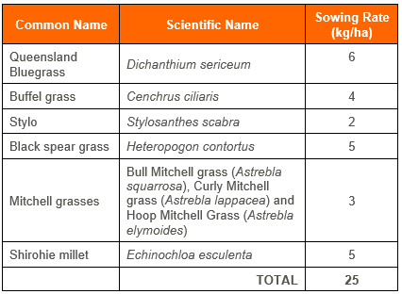 a) Completed seeding in accordance with recommended pasture mix (grasses, cover crop and legumes), and seeding rates (up to 25kg/ha)
RM6 | Achievement of surface requirements (cattle grazing) | a) Pasture condition rating ≤3, including: • Preferred pasture species (3P) diversity >2 species • Preferred pasture (3P) % DM yield – 10-60% • Annual grass DM yield % - <70% • Undesirable grasses and other weeds % DM yield - <80% • Crown cover - moderate to low density and some plants dead
RM7 | Achievement of post-mining land use to a stable condition (cattle grazing) | 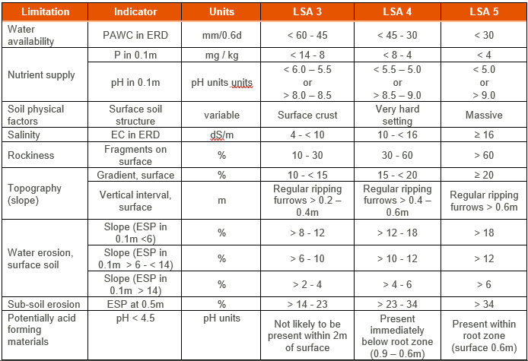 a) A hazard assessment has been completed by an appropriately qualified person to confirm safety hazards in rehabilitation are not significantly different to surrounding unmined landscapes subject to the same land use b) Rehabilitation is assessed as geotechnically stable, by an appropriately qualified person, with FoS≥1.5 c) Groundcover >50% d)Rainfall runoff from the area is not significantly different to upstream values for the following: pH, EC and turbidity e) Deep drainage from the area is not significantly different to EC levels of: • the EPP (Water) schedule documents water quality objectives for relevant groundwater chemistry zones; or • local water quality objectives developed in accordance with the Queensland Water Quality Guidelines f) Land suitability class ≤3, or not different from pre-mining class if ≥4. Assessment completed in accordance with LSA Framework for Open-Cut Coal Mine Rehabilitation 2018 (A rule-set for land suitability assessment of sustainable beef cattle grazing on land rehabilitated after open-cut coal mining in the Bowen Basin Queensland) unless otherwise agreed in writing between the administering authority and the environmental authority holder
 |  | *This is the only criteria applicable to RA7

1) Insert new rows below the table to record more Rehabilitation Area Milestones for the project
2) Ensure all Rehabiitation Milestones recorded in this table align with those included in the RA sheets in this form.
3) See the PRCP guideline before developing site-specific Rehabilitation Area Milestones

