Instructions
Progressive Rehabilitation and Closure Plan Schedule template
Instructions
General Instructions:
- This form can be used for completing a PRCP schedule for the submission of a progressive rehabilitation and closure plan (PRC plan).
- See the PRCP schedule section of the PRC plan guideline (ESR/2019/4964) for further information requirements.
- A default value of one (1) Rehabilitation Area (RA) is represented by one RA sheets below (RA1).
- A default value of one (1) Improvement Area (IA) is represented by one IA sheet below (IA1).
- To record additional RAs for your project make a copy of the RA sheet below and update it to the relevant RA number (i.e. RA2).
- To record additional IAs for your project make a copy of the IA sheet below and update it to the relevant IA number (i.e. IA2).
- To remove the IA sheet if there is no IA for your project, delete the IA sheet below.
- Each RA and IA sheet contains two separate excel tables (yellow and blue) for recording the time-based rehabilitation milestones.
- Add a new column or row to each table as required for your information requirements.
- Two (2) separate sheets below exist for recording the "Rehabilitation Area Milestones" and "Improvement Area Milestones".
- Delete the Improvement Area Milestone sheet if it does not apply to your project.
- Delete additional rows in either sheet if they do not apply to your project.
- See the PRC plan guideline for a list of reference milestones and further information for developing additional site-specific milestones where appropriate.
Further Instructions when inputting PMLUs
Headings under Rehabilitation Area (RA) sheets
Rehabilitation area - The rehabilitation area must align with the spatial information included in the rehabilitation planning part of the PRC plan. This area must have the same PMLU and same milestones applied to the whole area.
Relevant activities - The relevant activities must align with the activities identified in the rehabilitation planning part of the PRC plan. The relevant activities are those undertaken within the rehabilitation area prior to land becoming available for rehabilitation.
Total size of rehabilitation area (ha) - Total size of rehabilitation area in hectares.
Commencement of first milestone - The applicant must nominate a date for when the first milestone for the rehabilitation area will commence. The milestone reference for the first milestone must be included in the heading.
PMLU - The PMLU must align with those identified in the rehabilitation planning part of the PRC plan and in the proposed final site design.
Date area is available - The PRCP schedule must identify when land within the rehabilitation area becomes available for rehabilitation. If the whole rehabilitation area becomes available at once there should be only one date. If the rehabilitation areas becomes available progressively there should be multiple dates. These dates should reflect the information provided in the rehabilitation planning part of the PRC plan.
Cumulative area available (ha) - The PRCP schedule must identify the area of land within the rehabilitation area that will become available at a given time.
Milestone completed by - The PRCP schedule must identify completion dates for milestones to be completed.
Cumulative area achieved (ha) - The PRCP schedule must show how progressive rehabilitation is being achieved over the life of the mine. This section must reflect the proposed rehabilitation work required for the rehabilitation area to achieve stable condition. The milestone reference to be included refers back to the Rehabilitation Area Milestones sheet with the detailed milestone criteria. The milestones must be achieved consecutively.
Headings under Rehabilitation Area Milestones sheet
Rehabilitation milestone & Milestone criteria - The “rehabilitation milestone” is a short description of the rehabilitation activities. The "milestone criteria" must be able to demonstrate achievement of the milestone.
Further Instructions when inputting NUMAs
Headings under Improvement Area (IA) sheets
Improvement area - The improvement area must align with the spatial information included in the rehabilitation planning part of the PRC plan. This area must have the same NUMA and same milestones applied to the whole area.
Relevant activities - The relevant activities must align with the activities identified in the rehabilitation planning part of the PRC plan. The relevant activities are those undertaken within the improvement area prior to land becoming available for improvement.
Total size (ha) - Total size of improvement area in hectares.
Commencement of first milestone - The applicant must nominate a date for when the first milestone for the improvement area will commence. The milestone reference for the first milestone must be included in the heading.
NUMA - The NUMA must align with those identified in the rehabilitation planning part of the PRC plan and in the proposed final site design.
Date area is available - The PRCP schedule must identify when land within the improvement area becomes available for improvement. If the whole improvement area becomes available at once there should be only one date. If the improvement areas becomes available progressively there should be multiple dates. These dates should reflect the information provided in the rehabilitation planning part of the PRC plan.
Cumulative area available (ha) - The PRCP schedule must identify the area of land within the improvement area that will become available at a given time.
Milestone completed by - The PRCP schedule must identify completion dates for milestones to be completed.
Cumulative area achieved (ha) - The PRCP schedule must show how progressive improvement is being achieved over the life of the mine. This section must reflect the proposed management work required for the improvement area to achieve sufficient improvement. The milestone reference refers back to the Improvement Area Milestones sheet with the detailed milestone criteria. The milestones must be achieved consecutively.
Headings under Improvement Area Milestones sheet
Management milestone & Milestone criteria - The “management milestone” is a short description of the management activities. The "milestone criteria" must be able to demonstrate achievement of the milestone.

ESR/2019/5103 • Version 1.00 • Effective: 01 November 2019 Department of Environment and Science

RA2
Post-mining land uses (PMLU)
Rehabilitation area (description) |  |  |  | RA2 (2021 certification application area) |  |  |  | 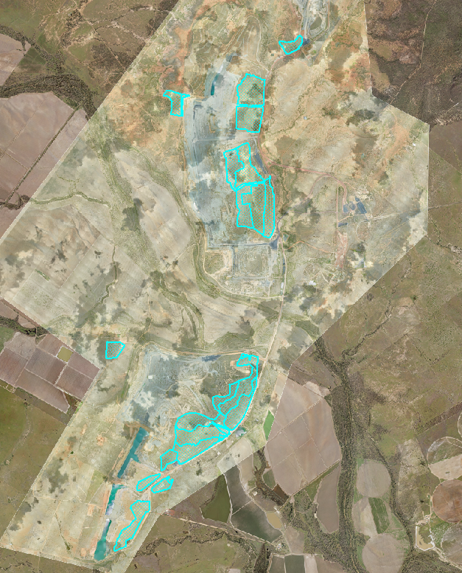
Relevant activities |  |  |  | Mine domain 1 - Cattle grazing
Total rehabilitation area size (ha) |  |  |  | 673.8
Commencement of first milestone: RM7 |  |  |  | 2021-06-30
PMLU |  |  |  | Mine domain 1 - Cattle grazing
Date area is available | 2021-06-30 | 10/12/xxxx | 10/12/xxxx | 10/12/xxxx | 10/12/xxxx | 10/12/xxxx | 10/12/xxxx | 10/12/xxxx | 10/12/xxxx | 10/12/xxxx
Cumulative area available (ha) | 673.8
Milestone completed by | 2026-06-30 | xx/xx/xxxx | xx/xx/xxxx | xx/xx/xxxx | xx/xx/xxxx | xx/xx/xxxx | xx/xx/xxxx | xx/xx/xxxx | xx/xx/xxxx | xx/xx/xxxx
Milestone Reference | Cumulative area achieved (ha)
RM7 | 673.8
RM
RM
RM
RM

1) Insert new columns to the yellow table to include further rehabilitation milestone dates.
2) Insert new columns to the blue table to match rehabilitation milestone dates.
3) Insert new rows to the blue table to include additional rehabilitation milestone references.
4) Insert the relevant number in the "Milestone reference" column (i.e. RM1).

RA3
Post-mining land uses (PMLU)
Rehabilitation area (description) |  |  |  | RA3 (existing rehabilitation) |  |  |  | 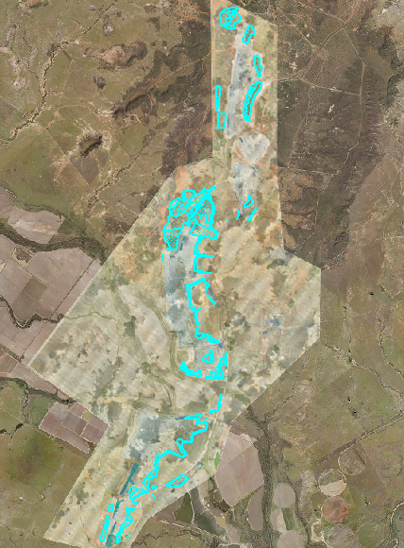
Relevant activities |  |  |  | Mine domain 1 - Cattle grazing
Total rehabilitation area size (ha) |  |  |  | 731.2
Commencement of first milestone: RM7 |  |  |  | 2021-06-30
PMLU |  |  |  | Mine domain 1 - Cattle grazing
Date area is available | 2021-06-30 | 10/12/xxxx | 10/12/xxxx | 10/12/xxxx | 10/12/xxxx | 10/12/xxxx | 10/12/xxxx | 10/12/xxxx | 10/12/xxxx | 10/12/xxxx
Cumulative area available (ha) | 731.2
Milestone completed by | 2026-06-30 | xx/xx/xxxx | xx/xx/xxxx | xx/xx/xxxx | xx/xx/xxxx | xx/xx/xxxx | xx/xx/xxxx | xx/xx/xxxx | xx/xx/xxxx | xx/xx/xxxx
Milestone Reference | Cumulative area achieved (ha)
RM7 | 731.2
RM
RM
RM
RM

1) Insert new columns to the yellow table to include further rehabilitation milestone dates.
2) Insert new columns to the blue table to match rehabilitation milestone dates.
3) Insert new rows to the blue table to include additional rehabilitation milestone references.
4) Insert the relevant number in the "Milestone reference" column (i.e. RM1).

RA4
Post-mining land uses (PMLU)
Rehabilitation area (description) |  |  |  | RA4 (existing rehabilitation) |  |  |  | 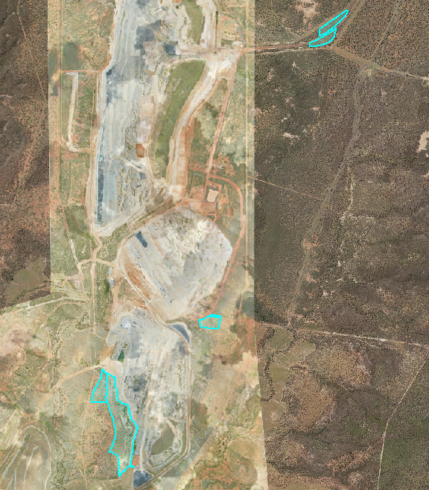
Relevant activities |  |  |  | Mine domain 4 - Native bushland corridor
Total rehabilitation area size (ha) |  |  |  | 44.1
Commencement of first milestone: RM10 |  |  |  | 2021-06-30
PMLU |  |  |  | Mine domain 4 - Native bushland corridor
Date area is available | 2021-06-30 | 10/12/xxxx | 10/12/xxxx | 10/12/xxxx | 10/12/xxxx | 10/12/xxxx | 10/12/xxxx | 10/12/xxxx | 10/12/xxxx | 10/12/xxxx
Cumulative area available (ha) | 44.1
Milestone completed by | 2031-06-30 | xx/xx/xxxx | xx/xx/xxxx | xx/xx/xxxx | xx/xx/xxxx | xx/xx/xxxx | xx/xx/xxxx | xx/xx/xxxx | xx/xx/xxxx | xx/xx/xxxx
Milestone Reference | Cumulative area achieved (ha)
RM10 | 44.1
RM
RM
RM
RM

1) Insert new columns to the yellow table to include further rehabilitation milestone dates.
2) Insert new columns to the blue table to match rehabilitation milestone dates.
3) Insert new rows to the blue table to include additional rehabilitation milestone references.
4) Insert the relevant number in the "Milestone reference" column (i.e. RM1).

RA6
Post-mining land uses (PMLU)
Rehabilitation area (description) |  |  |  | RA6 (Boggy Creek Diversion) |  |  |  | 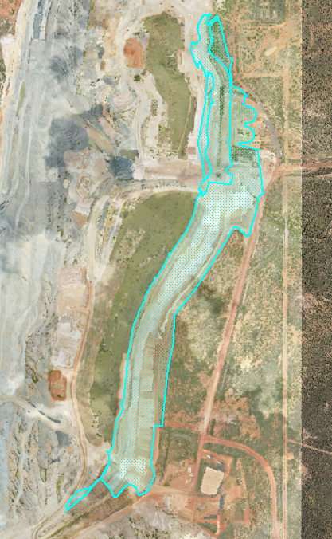
Relevant activities |  |  |  | Mine domain 3 - Boggy Creek diversion
Total rehabilitation area size (ha) |  |  |  | 82.8
Commencement of first milestone: RM1 |  |  |  | 2021-01-01
PMLU |  |  |  | Mine domain 3 - Boggy Creek diversion
Date area is available | 2021-01-01 | 10/12/xxxx | 10/12/xxxx | 10/12/xxxx | 10/12/xxxx | 10/12/xxxx | 10/12/xxxx | 10/12/xxxx | 10/12/xxxx | 10/12/xxxx
Cumulative area available (ha) | 82.8
Milestone completed by | 2021-12-30 | 2022-12-30 | 2025-12-30 | 2034-12-30 |  |  | xx/xx/xxxx | xx/xx/xxxx | xx/xx/xxxx | xx/xx/xxxx
Milestone Reference | Cumulative area achieved (ha)
RM1 | 82.8
RM3 | 82.8
RM4 |  | 82.8
RM5 |  | 82.8
RM6 |  |  | 82.8
RM9 |  |  |  | 82.8

1) Insert new columns to the yellow table to include further rehabilitation milestone dates.
2) Insert new columns to the blue table to match rehabilitation milestone dates.
3) Insert new rows to the blue table to include additional rehabilitation milestone references.
4) Insert the relevant number in the "Milestone reference" column (i.e. RM1).

RA7
Post-mining land uses (PMLU)
Rehabilitation area (description) |  |  |  | RA7 (Ramp 10 & borrow pits) |  |  |  | 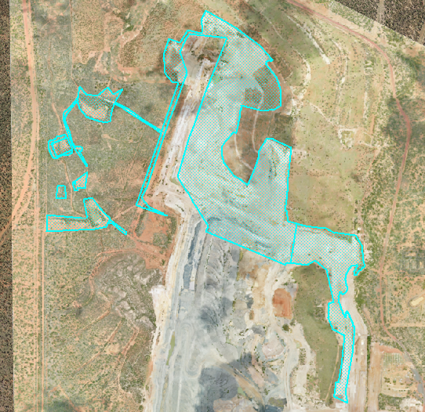
Relevant activities |  |  |  | Mine domain 1 - Cattle grazing
Total rehabilitation area size (ha) |  |  |  | 97.6
Commencement of first milestone: RM1 |  |  |  | 2021-06-30
PMLU |  |  |  | Mine domain 1 - Cattle grazing
Date area is available | 2021-06-30 | 2022-06-30 | 10/12/xxxx | 10/12/xxxx | 10/12/xxxx | 10/12/xxxx | 10/12/xxxx | 10/12/xxxx | 10/12/xxxx | 10/12/xxxx
Cumulative area available (ha) | 17.1 | 97.6
Milestone completed by | 2021-12-30 | 2022-12-30 | 2023-12-30 | 2024-12-30 | 2025-12-30 | 2029-12-30 | 2030-12-30 |  | xx/xx/xxxx | xx/xx/xxxx
Milestone Reference | Cumulative area achieved (ha)
RM1 |  | 80.5
RM3 | 17.1 | 97.6
RM4 |  | 17.1 | 97.6
RM5 |  | 17.1 | 97.6
RM6 |  |  |  | 17.1 | 97.6
RM7 |  |  |  |  |  | 17.1 | 97.6

1) Insert new columns to the yellow table to include further rehabilitation milestone dates.
2) Insert new columns to the blue table to match rehabilitation milestone dates.
3) Insert new rows to the blue table to include additional rehabilitation milestone references.
4) Insert the relevant number in the "Milestone reference" column (i.e. RM1).

RA8
Post-mining land uses (PMLU)
Rehabilitation area (description) |  |  |  | RA8 (Ramp 10) |  |  |  | 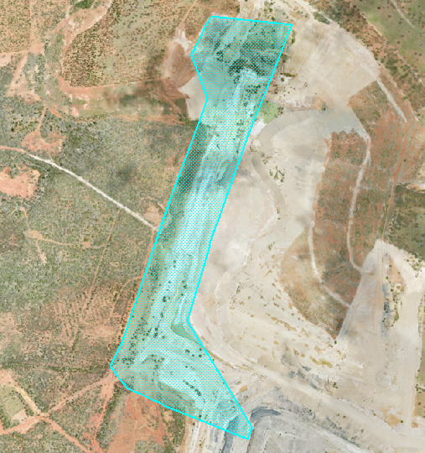
Relevant activities |  |  |  | Mine domain 4 - Native bushland corridor
Total rehabilitation area size (ha) |  |  |  | 24.2
Commencement of first milestone: RM3 |  |  |  | 2022-06-30
PMLU |  |  |  | Mine domain 4 - Native bushland corridor
Date area is available | 2022-06-30 | 10/12/xxxx | 10/12/xxxx | 10/12/xxxx | 10/12/xxxx | 10/12/xxxx | 10/12/xxxx | 10/12/xxxx | 10/12/xxxx | 10/12/xxxx
Cumulative area available (ha) | 24.2
Milestone completed by | 2022-12-30 | 2023-12-30 | 2026-12-30 | 2036-12-30 |  | xx/xx/xxxx | xx/xx/xxxx | xx/xx/xxxx | xx/xx/xxxx | xx/xx/xxxx
Milestone Reference | Cumulative area achieved (ha)
RM3 | 24.2
RM4 |  | 24.2
RM5 |  | 24.2
RM6 |  |  | 24.2
RM10 |  |  |  | 24.2

1) Insert new columns to the yellow table to include further rehabilitation milestone dates.
2) Insert new columns to the blue table to match rehabilitation milestone dates.
3) Insert new rows to the blue table to include additional rehabilitation milestone references.
4) Insert the relevant number in the "Milestone reference" column (i.e. RM1).

RA9
Post-mining land uses (PMLU)
Rehabilitation area (description) |  |  |  | RA9 (Ramp 9 & Yongala TLO) |  |  |  | 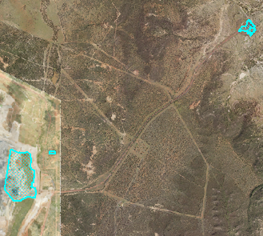
Relevant activities |  |  |  | Mine domain 1 - Cattle grazing
Total rehabilitation area size (ha) |  |  |  | 81.2
Commencement of first milestone: RM3 |  |  |  | 2023-06-30
PMLU |  |  |  | Mine domain 1 - Cattle grazing
Date area is available | 2023-06-30 | 10/12/xxxx | 10/12/xxxx | 10/12/xxxx | 10/12/xxxx | 10/12/xxxx | 10/12/xxxx | 10/12/xxxx | 10/12/xxxx | 10/12/xxxx
Cumulative area available (ha) | 81.2
Milestone completed by | 2023-12-30 | 2024-12-30 | 2026-12-30 | 1931-12-30 | xx/xx/xxxx | xx/xx/xxxx | xx/xx/xxxx | xx/xx/xxxx | xx/xx/xxxx | xx/xx/xxxx
Milestone Reference | Cumulative area achieved (ha)
RM3 | 81.2
RM4 |  | 81.2
RM5 |  | 81.2
RM6 |  |  | 81.2
RM7 |  |  |  | 81.2

1) Insert new columns to the yellow table to include further rehabilitation milestone dates.
2) Insert new columns to the blue table to match rehabilitation milestone dates.
3) Insert new rows to the blue table to include additional rehabilitation milestone references.
4) Insert the relevant number in the "Milestone reference" column (i.e. RM1).

RA10
Post-mining land uses (PMLU)
Rehabilitation area (description) |  |  |  | RA10 (Ramp 8 South & Laydown) |  |  |  | 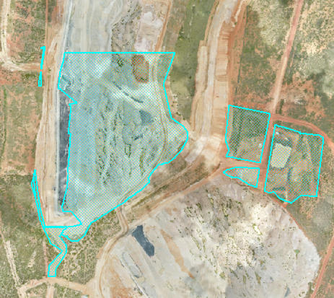
Relevant activities |  |  |  | Mine domain 1 - Cattle grazing
Total rehabilitation area size (ha) |  |  |  | 107.1
Commencement of first milestone: RM3 |  |  |  | 2024-06-30
PMLU |  |  |  | Mine domain 1 - Cattle grazing
Date area is available | 2024-06-30 | 10/12/xxxx | 10/12/xxxx | 10/12/xxxx | 10/12/xxxx | 10/12/xxxx | 10/12/xxxx | 10/12/xxxx | 10/12/xxxx | 10/12/xxxx
Cumulative area available (ha) | 107.1
Milestone completed by | 2024-12-30 | 2025-12-30 | 2027-12-30 | 2032-12-30 | xx/xx/xxxx | xx/xx/xxxx | xx/xx/xxxx | xx/xx/xxxx | xx/xx/xxxx | xx/xx/xxxx
Milestone Reference | Cumulative area achieved (ha)
RM3 | 107.1
RM4 |  | 107.1
RM5 |  | 107.1
RM6 |  |  | 107.1
RM7 |  |  |  | 107.1

1) Insert new columns to the yellow table to include further rehabilitation milestone dates.
2) Insert new columns to the blue table to match rehabilitation milestone dates.
3) Insert new rows to the blue table to include additional rehabilitation milestone references.
4) Insert the relevant number in the "Milestone reference" column (i.e. RM1).

RA11
Post-mining land uses (PMLU)
Rehabilitation area (description) |  |  |  | RA11 (Ramp 8 & 9 NBC) |  |  |  | 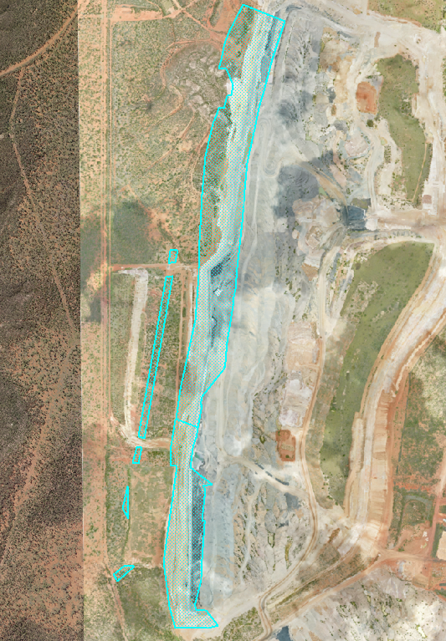
Relevant activities |  |  |  | Mine domain 4 - Native bushland corridor
Total rehabilitation area size (ha) |  |  |  | 85.2
Commencement of first milestone: RM3 |  |  |  | 2024-06-30
PMLU |  |  |  | Mine domain 4 - Native bushland corridor
Date area is available | 2024-06-30 | 10/12/xxxx | 10/12/xxxx | 10/12/xxxx | 10/12/xxxx | 10/12/xxxx | 10/12/xxxx | 10/12/xxxx | 10/12/xxxx | 10/12/xxxx
Cumulative area available (ha) | 85.2
Milestone completed by | 2024-12-30 | 2025-12-30 | 2027-12-30 | 2032-12-30 | xx/xx/xxxx | xx/xx/xxxx | xx/xx/xxxx | xx/xx/xxxx | xx/xx/xxxx | xx/xx/xxxx
Milestone Reference | Cumulative area achieved (ha)
RM3 | 85.2
RM4 |  | 85.2
RM5 |  | 85.2
RM6 |  |  | 85.2
RM10 |  |  |  | 85.2

1) Insert new columns to the yellow table to include further rehabilitation milestone dates.
2) Insert new columns to the blue table to match rehabilitation milestone dates.
3) Insert new rows to the blue table to include additional rehabilitation milestone references.
4) Insert the relevant number in the "Milestone reference" column (i.e. RM1).

RA12
Post-mining land uses (PMLU)
Rehabilitation area (description) |  |  |  | RA12 (Ramp 9) |  |  |  | 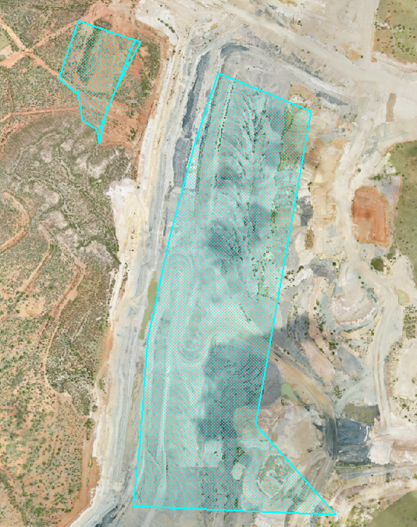
Relevant activities |  |  |  | Mine domain 1 - Cattle grazing
Total rehabilitation area size (ha) |  |  |  | 58.1
Commencement of first milestone: RM3 |  |  |  | 2025-06-30
PMLU |  |  |  | Mine domain 1 - Cattle grazing
Date area is available | 2025-06-30 | 10/12/xxxx | 10/12/xxxx | 10/12/xxxx | 10/12/xxxx | 10/12/xxxx | 10/12/xxxx | 10/12/xxxx | 10/12/xxxx | 10/12/xxxx
Cumulative area available (ha) | 58.1
Milestone completed by | 2025-12-30 | 2026-12-30 | 2028-12-20 | 2033-12-30 | xx/xx/xxxx | xx/xx/xxxx | xx/xx/xxxx | xx/xx/xxxx | xx/xx/xxxx | xx/xx/xxxx
Milestone Reference | Cumulative area achieved (ha)
RM3 | 58.1
RM4 |  | 58.1
RM5 |  | 58.1
RM6 |  |  | 58.1
RM7 |  |  |  | 58.1

1) Insert new columns to the yellow table to include further rehabilitation milestone dates.
2) Insert new columns to the blue table to match rehabilitation milestone dates.
3) Insert new rows to the blue table to include additional rehabilitation milestone references.
4) Insert the relevant number in the "Milestone reference" column (i.e. RM1).

RA13
Post-mining land uses (PMLU)
Rehabilitation area (description) |  |  |  | RA13 (Ramp 8, Ramp 84, Ramp 83, Ramp 24 East & Yongala Infrastructure) |  |  |  |  |  |  | 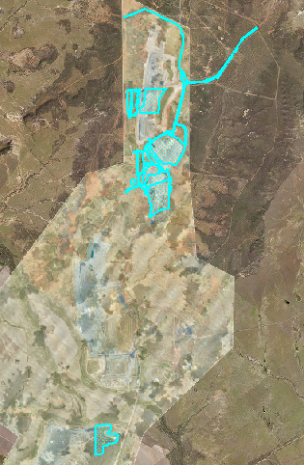
Relevant activities |  |  |  | Mine domain 1 - Cattle grazing
Total rehabilitation area size (ha) |  |  |  | 532.8
Commencement of first milestone: RM3 |  |  |  | 2026-06-30
PMLU |  |  |  | Mine domain 1 - Cattle grazing
Date area is available | 2026-06-30 | 2027-06-30 | 2028-06-30 | 2029-06-30 | 1930-06-30 | 10/12/xxxx | 10/12/xxxx | 10/12/xxxx | 10/12/xxxx |  |  |  | 10/12/xxxx
Cumulative area available (ha) | 90.5 | 296.2 | 367.9 | 428.5 | 532.8
Milestone completed by | 2026-12-30 | 2027-12-30 | 2028-12-30 | 2029-12-30 | 2030-12-30 | 2031-12-30 | 2032-12-30 | 2033-12-30 | 2034-12-30 | 2034-12-30 | 2035-12-30 | 2036-12-30 | 2037-12-30
Milestone Reference | Cumulative area achieved (ha)
RM3 | 90.5 | 296.2 | 367.9 | 428.5 | 532.8
RM4 |  | 90.5 | 296.2 | 367.9 | 428.5 | 532.8
RM5 |  | 90.5 | 296.2 | 367.9 | 428.5 | 532.8
RM6 |  |  |  | 90.5 | 296.2 | 367.9 | 428.5 | 532.8
RM7 |  |  |  |  |  |  |  |  | 90.5 | 296.2 | 367.9 | 428.5 | 532.8

1) Insert new columns to the yellow table to include further rehabilitation milestone dates.
2) Insert new columns to the blue table to match rehabilitation milestone dates.
3) Insert new rows to the blue table to include additional rehabilitation milestone references.
4) Insert the relevant number in the "Milestone reference" column (i.e. RM1).

RA14
Post-mining land uses (PMLU)
Rehabilitation area (description) |  |  |  | RA14 (Ramp 84 NBC) |  |  |  | 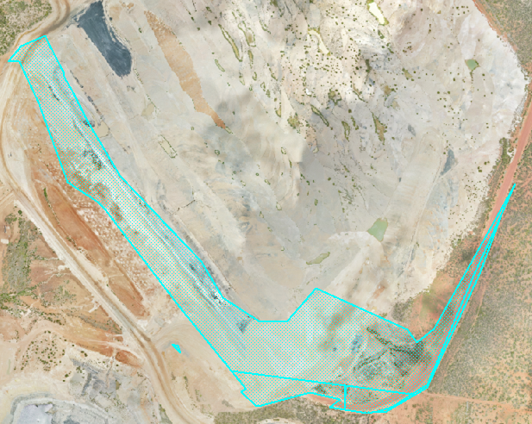
Relevant activities |  |  |  | Mine domain 4 - Native bushland corridor
Total rehabilitation area size (ha) |  |  |  | 28.2
Commencement of first milestone: RM3 |  |  |  | 2027-06-30
PMLU |  |  |  | Mine domain 4 - Native bushland corridor
Date area is available | 2027-06-30 | 10/12/xxxx | 10/12/xxxx | 10/12/xxxx | 10/12/xxxx | 10/12/xxxx | 10/12/xxxx | 10/12/xxxx | 10/12/xxxx | 10/12/xxxx
Cumulative area available (ha) | 28.2
Milestone completed by | 2027-12-30 | 2028-12-30 | 2030-12-30 | 2040-12-30 | xx/xx/xxxx | xx/xx/xxxx | xx/xx/xxxx | xx/xx/xxxx | xx/xx/xxxx | xx/xx/xxxx
Milestone Reference | Cumulative area achieved (ha)
RM3 | 28.2
RM4 |  | 28.2
RM5 |  | 28.2
RM6 |  |  | 28.2
RM10 |  |  |  | 28.2

1) Insert new columns to the yellow table to include further rehabilitation milestone dates.
2) Insert new columns to the blue table to match rehabilitation milestone dates.
3) Insert new rows to the blue table to include additional rehabilitation milestone references.
4) Insert the relevant number in the "Milestone reference" column (i.e. RM1).

RA15
Post-mining land uses (PMLU)
Rehabilitation area (description) |  |  |  | RA15 (Southern Flood Protection Landform) |  |  |  | 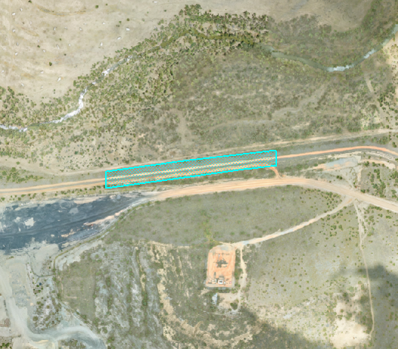
Relevant activities |  |  |  | Mine domain 7 - Flood protection landform
Total rehabilitation area size (ha) |  |  |  | 3.0
Commencement of first milestone: RM3 |  |  |  | 2028-06-30
PMLU |  |  |  | Mine domain 7 - Flood protection landform
Date area is available | 2028-06-30 | 10/12/xxxx | 10/12/xxxx | 10/12/xxxx | 10/12/xxxx | 10/12/xxxx | 10/12/xxxx | 10/12/xxxx | 10/12/xxxx | 10/12/xxxx
Cumulative area available (ha) | 3.0
Milestone completed by | 2028-12-30 | 2029-12-30 | 2031-12-30 | 2036-12-30 | xx/xx/xxxx | xx/xx/xxxx | xx/xx/xxxx | xx/xx/xxxx | xx/xx/xxxx | xx/xx/xxxx
Milestone Reference | Cumulative area achieved (ha)
RM3 | 3.0
RM4 |  | 3.0
RM5 |  | 3.0
RM6 |  |  | 3.0
RM11 |  |  |  | 3.0

1) Insert new columns to the yellow table to include further rehabilitation milestone dates.
2) Insert new columns to the blue table to match rehabilitation milestone dates.
3) Insert new rows to the blue table to include additional rehabilitation milestone references.
4) Insert the relevant number in the "Milestone reference" column (i.e. RM1).

RA16
Post-mining land uses (PMLU)
Rehabilitation area (description) |  |  |  | RA16 (Ramp 83 NBC) |  |  |  | 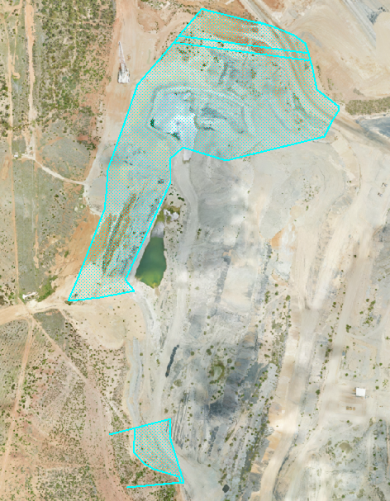
Relevant activities |  |  |  | Mine domain 4 - Native bushland corridor
Total rehabilitation area size (ha) |  |  |  | 29.4
Commencement of first milestone: RM3 |  |  |  | 2030-06-30
PMLU |  |  |  | Mine domain 4 - Native bushland corridor
Date area is available | 2030-06-30 | 2031-06-30 | 10/12/xxxx | 10/12/xxxx | 10/12/xxxx | 10/12/xxxx | 10/12/xxxx | 10/12/xxxx | 10/12/xxxx | 10/12/xxxx
Cumulative area available (ha) | 27.7 | 29.4
Milestone completed by | 2030-12-30 | 2031-12-30 | 2032-12-30 | 2033-12-30 | 2034-12-30 | 2043-12-30 | 2044-12-30 |  | xx/xx/xxxx | xx/xx/xxxx
Milestone Reference | Cumulative area achieved (ha)
RM3 | 27.7 | 29.4
RM4 |  | 27.7 | 29.4
RM5 |  | 27.7 | 29.4
RM6 |  |  |  | 27.7 | 29.4
RM10 |  |  |  |  |  | 27.7 | 29.4

1) Insert new columns to the yellow table to include further rehabilitation milestone dates.
2) Insert new columns to the blue table to match rehabilitation milestone dates.
3) Insert new rows to the blue table to include additional rehabilitation milestone references.
4) Insert the relevant number in the "Milestone reference" column (i.e. RM1).

RA17
Post-mining land uses (PMLU)
Rehabilitation area (description) |  |  |  | RA17 (Ramp 83 Infrastructure, Ramp 7 & Ramp 24) |  |  |  |  |  |  | 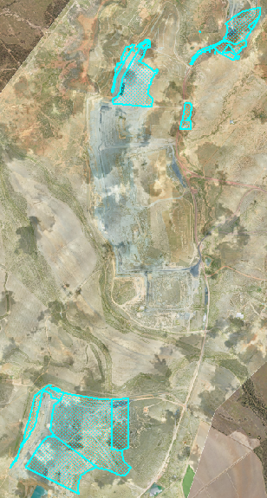
Relevant activities |  |  |  | Mine domain 1 - Cattle grazing
Total rehabilitation area size (ha) |  |  |  | 529.4
Commencement of first milestone: RM3 |  |  |  | 2031-06-30
PMLU |  |  |  | Mine domain 1- Cattle grazing
Date area is available | 2031-06-30 | 2032-06-30 | 2033-06-30 | 2034-06-30 | 2035-06-30 | 10/12/xxxx | 10/12/xxxx | 10/12/xxxx | 10/12/xxxx | 10/12/xxxx
Cumulative area available (ha) | 84.5 | 303.6 | 409.7 | 434.9 | 529.4
Milestone completed by | 2031-12-30 | 2032-12-30 | 2033-12-30 | 2034-12-30 | 2035-12-30 | 2036-12-30 | 2037-12-30 | 2038-12-30 | 2039-12-30 | 2040-12-30 | 2041-12-30 | 2042-12-30 | 2043-12-31
Milestone Reference | Cumulative area achieved (ha)
RM3 | 84.5 | 303.6 | 409.7 | 434.9 | 529.4 | 529.4
RM4 |  | 84.5 | 303.6 | 409.7 | 434.9 | 529.4
RM5 |  | 84.5 | 303.6 | 409.7 | 434.9 | 529.4
RM6 |  |  |  | 84.5 | 303.6 | 409.7 | 434.9 | 529.4
RM7 |  |  |  |  |  |  |  |  | 84.5 | 303.6 | 409.7 | 434.9 | 529.4

1) Insert new columns to the yellow table to include further rehabilitation milestone dates.
2) Insert new columns to the blue table to match rehabilitation milestone dates.
3) Insert new rows to the blue table to include additional rehabilitation milestone references.
4) Insert the relevant number in the "Milestone reference" column (i.e. RM1).

RA18
Post-mining land uses (PMLU)
Rehabilitation area (description) |  |  |  | RA18 (Southern Flood Protection Landform) |  |  |  | 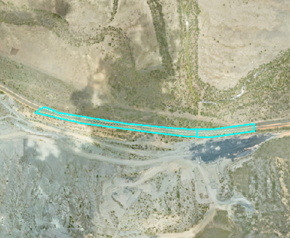
Relevant activities |  |  |  | Mine domain 7 - Flood protection landform
Total rehabilitation area size (ha) |  |  |  | 6.9
Commencement of first milestone: RM3 |  |  |  | 2032-06-30
PMLU |  |  |  | Mine domain 7 - Flood protection landform
Date area is available | 2032-06-30 | 2033-06-30 | 10/12/xxxx | 10/12/xxxx | 10/12/xxxx | 10/12/xxxx | 10/12/xxxx | 10/12/xxxx | 10/12/xxxx | 10/12/xxxx
Cumulative area available (ha) | 2.1 | 6.9
Milestone completed by | 2032-12-30 | 2033-12-30 | 2034-12-30 | 2035-12-30 | 2036-12-30 | 2045-12-30 | 2046-12-30 | xx/xx/xxxx | xx/xx/xxxx | xx/xx/xxxx
Milestone Reference | Cumulative area achieved (ha)
RM3 | 2.1 | 6.9
RM4 |  | 2.1 | 6.9
RM5 |  | 2.1 | 6.9
RM6 |  |  |  | 2.1 | 6.9
RM11 |  |  |  |  |  | 2.1 | 6.9

1) Insert new columns to the yellow table to include further rehabilitation milestone dates.
2) Insert new columns to the blue table to match rehabilitation milestone dates.
3) Insert new rows to the blue table to include additional rehabilitation milestone references.
4) Insert the relevant number in the "Milestone reference" column (i.e. RM1).

RA20
Post-mining land uses (PMLU)
Rehabilitation area (description) |  |  |  | RA20 (Southern Flood Protection Landform) |  |  |  | 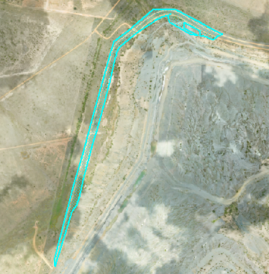
Relevant activities |  |  |  | Mine domain 7 - Flood protection landform
Total rehabilitation area size (ha) |  |  |  | 12.2
Commencement of first milestone: RM3 |  |  |  | 2034-06-30
PMLU |  |  |  | Mine domain 7 - Flood protection landform
Date area is available | 2034-06-30 | 10/12/xxxx | 10/12/xxxx | 10/12/xxxx | 10/12/xxxx | 10/12/xxxx | 10/12/xxxx | 10/12/xxxx | 10/12/xxxx | 10/12/xxxx
Cumulative area available (ha) | 12.2
Milestone completed by | 2034-12-30 | 414915 | 2037-12-30 | 2047-12-30 | xx/xx/xxxx | xx/xx/xxxx | xx/xx/xxxx | xx/xx/xxxx | xx/xx/xxxx | xx/xx/xxxx
Milestone Reference | Cumulative area achieved (ha)
RM3 | 12.2
RM4 |  | 12.2
RM5 |  | 12.2
RM6 |  |  | 12.2
RM11 |  |  |  | 12.2

1) Insert new columns to the yellow table to include further rehabilitation milestone dates.
2) Insert new columns to the blue table to match rehabilitation milestone dates.
3) Insert new rows to the blue table to include additional rehabilitation milestone references.
4) Insert the relevant number in the "Milestone reference" column (i.e. RM1).

RA21
Post-mining land uses (PMLU)
Rehabilitation area (description) |  |  |  | RA21 (A Pit, D Pit & TLO Infrastructure) |  |  |  |  |  |  | 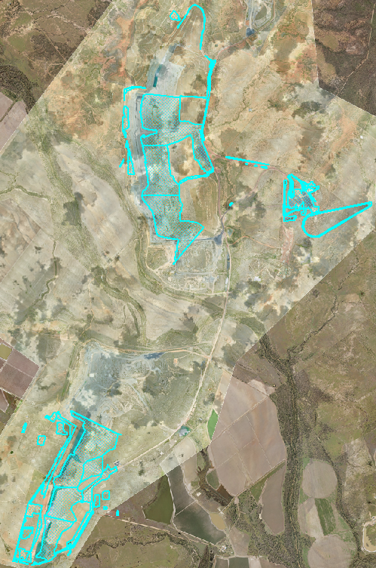
Relevant activities |  |  |  | Mine domain 1 - Cattle grazing
Total rehabilitation area size (ha) |  |  |  | 871.7
Commencement of first milestone: RM3 |  |  |  | 2036-06-30
PMLU |  |  |  | Mine domain 1 - Cattle grazing
Date area is available | 2036-06-30 | 2037-06-30 | 2038-06-30 | 2039-06-30 | 2040-06-30 | 10/12/xxxx | 10/12/xxxx | 10/12/xxxx | 10/12/xxxx |  |  |  | 10/12/xxxx
Cumulative area available (ha) | 105.8 | 295.8 | 460.6 | 639.0 | 871.7
Milestone completed by | 2036-12-30 | 2037-12-30 | 2038-12-30 | 2039-12-30 | 2040-12-30 | 2041-12-30 | 2043-12-30 | 2044-12-30 | 2045-12-30 | 2046-12-30 | 2047-12-30 | 2048-12-30 | 2049-12-30
Milestone Reference | Cumulative area achieved (ha)
RM3 | 105.8 | 295.8 | 460.6 | 639.0 | 871.7
RM4 |  | 105.8 | 295.8 | 460.6 | 639.0 | 871.7
RM5 |  | 105.8 | 295.8 | 460.6 | 639.0 | 871.7
RM6 |  |  |  | 105.8 | 295.8 | 460.6 | 639.0 | 871.7
RM7 |  |  |  |  |  |  |  |  | 105.8 | 295.8 | 460.6 | 639.0 | 871.7

1) Insert new columns to the yellow table to include further rehabilitation milestone dates.
2) Insert new columns to the blue table to match rehabilitation milestone dates.
3) Insert new rows to the blue table to include additional rehabilitation milestone references.
4) Insert the relevant number in the "Milestone reference" column (i.e. RM1).

RA22
Post-mining land uses (PMLU)
Rehabilitation area (description) |  |  |  | RA22 (A Pit & D Pit NBC) |  |  |  | 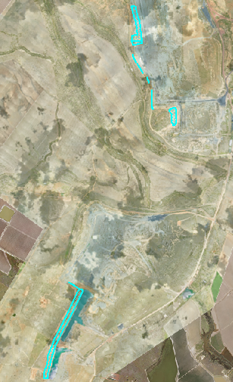
Relevant activities |  |  |  | Mine domain 4 - Native bushland corridor
Total rehabilitation area size (ha) |  |  |  | 45.2
Commencement of first milestone: RM3 |  |  |  | 2038-06-30
PMLU |  |  |  | Mine domain 4 - Native bushland corridor
Date area is available | 2038-06-30 | 2039-06-30 | 2040-06-30 | 10/12/xxxx | 10/12/xxxx | 10/12/xxxx | 10/12/xxxx | 10/12/xxxx | 10/12/xxxx | 10/12/xxxx
Cumulative area available (ha) | 13.9 | 38.9 | 45.2
Milestone completed by | 2038-12-30 | 2039-12-30 | 2040-12-30 | 2041-12-30 | 2042-12-30 | 2043-12-30 | 2050-12-30 |  |  | xx/xx/xxxx
Milestone Reference | Cumulative area achieved (ha)
RM3 | 13.9 | 38.9 | 45.2
RM4 |  | 13.9 | 38.9 | 45.2
RM5 |  | 13.9 | 38.9 | 45.2
RM6 |  |  |  | 13.9 | 38.9 | 45.2
RM10 |  |  |  |  |  |  | 45.2

1) Insert new columns to the yellow table to include further rehabilitation milestone dates.
2) Insert new columns to the blue table to match rehabilitation milestone dates.
3) Insert new rows to the blue table to include additional rehabilitation milestone references.
4) Insert the relevant number in the "Milestone reference" column (i.e. RM1).

RA23
Post-mining land uses (PMLU)
Rehabilitation area (description) |  |  |  | RA23 (Northern Flood Protection Landform) |  |  |  | 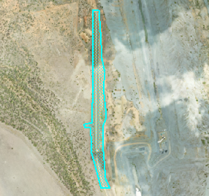
Relevant activities |  |  |  | Mine domain 7 - Flood protection landform
Total rehabilitation area size (ha) |  |  |  | 8.5
Commencement of first milestone: RM3 |  |  |  | 2038-06-30
PMLU |  |  |  | Mine domain 7 - Flood protection landform
Date area is available | 2038-06-30 | 10/12/xxxx | 10/12/xxxx | 10/12/xxxx | 10/12/xxxx | 10/12/xxxx | 10/12/xxxx | 10/12/xxxx | 10/12/xxxx | 10/12/xxxx
Cumulative area available (ha) | 8.5
Milestone completed by | 2038-12-30 | 2039-12-30 | 2041-12-30 | 2050-12-30 | xx/xx/xxxx | xx/xx/xxxx | xx/xx/xxxx | xx/xx/xxxx | xx/xx/xxxx | xx/xx/xxxx
Milestone Reference | Cumulative area achieved (ha)
RM3 | 8.5
RM4 |  | 8.5
RM5 |  | 8.5
RM6 |  |  | 8.5
RM11 |  |  |  | 8.5

1) Insert new columns to the yellow table to include further rehabilitation milestone dates.
2) Insert new columns to the blue table to match rehabilitation milestone dates.
3) Insert new rows to the blue table to include additional rehabilitation milestone references.
4) Insert the relevant number in the "Milestone reference" column (i.e. RM1).

RA24
Post-mining land uses (PMLU)
Rehabilitation area (description) |  |  |  | RA24 (Flood Protection Landform) |  |  |  |  | 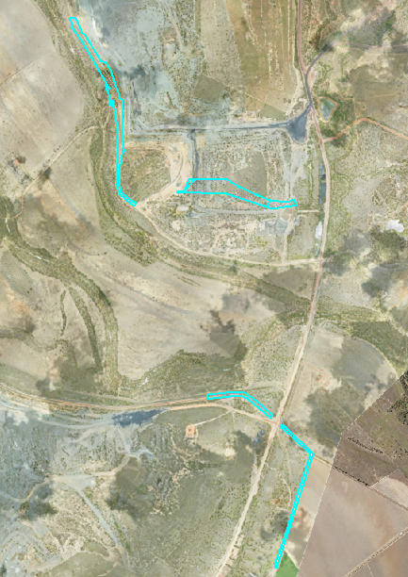
Relevant activities |  |  |  | Mine domain 7 - Flood protection landform
Total rehabilitation area size (ha) |  |  |  | 34.7
Commencement of first milestone: RM3 |  |  |  | 2040-06-30
PMLU |  |  |  | Mine domain 7 - Flood protection landform
Date area is available | 2040-06-30 | 2041-06-30 | 2042-06-30 | 2043-06-30 | 10/12/xxxx | 10/12/xxxx | 10/12/xxxx | 10/12/xxxx | 10/12/xxxx | 10/12/xxxx
Cumulative area available (ha) | 14.2 | 25.1 | 30.2 | 34.7
Milestone completed by | 2040-12-30 | 2041-12-30 | 2042-12-30 | 2043-12-30 | 2044-12-30 | 2045-12-30 | 2046-12-30 | 2050-12-30
Milestone Reference | Cumulative area achieved (ha)
RM3 | 14.2 | 25.1 | 30.2 | 34.7
RM4 |  | 14.2 | 25.1 | 30.2 | 34.7
RM5 |  | 14.2 | 25.1 | 30.2 | 34.7
RM6 |  |  |  | 14.2 | 25.1 | 30.2 | 34.7
RM11 |  |  |  |  |  |  |  | 34.7

1) Insert new columns to the yellow table to include further rehabilitation milestone dates.
2) Insert new columns to the blue table to match rehabilitation milestone dates.
3) Insert new rows to the blue table to include additional rehabilitation milestone references.
4) Insert the relevant number in the "Milestone reference" column (i.e. RM1).

RA25
Post-mining land uses (PMLU)
Rehabilitation area (description) |  |  |  | RA25 (C Pit & Mine Infrastructure Areas) |  |  |  | 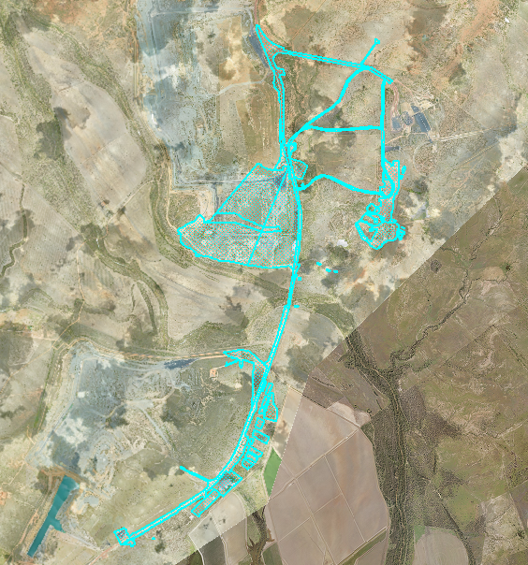
Relevant activities |  |  |  | Mine domain 1 - Cattle grazing
Total rehabilitation area size (ha) |  |  |  | 425.1
Commencement of first milestone: RM3 |  |  |  | 2041-06-30
PMLU |  |  |  | Mine domain 1 - Cattle grazing
Date area is available | 2041-06-30 | 2042-06-30 | 2043-06-30 | 10/12/xxxx | 10/12/xxxx | 10/12/xxxx | 10/12/xxxx | 10/12/xxxx | 10/12/xxxx | 10/12/xxxx
Cumulative area available (ha) | 142.2 | 242.8 | 425.1
Milestone completed by | 2041-12-30 | 2042-12-30 | 2043-12-30 | 2044-12-30 | 2045-12-30 | 2046-12-30 | 2049-12-30 | 2050-12-30
Milestone Reference | Cumulative area achieved (ha)
RM3 | 142.2 | 242.8 | 425.1
RM4 |  | 142.2 | 242.8 | 425.1
RM5 |  | 142.2 | 242.8 | 425.1
RM6 |  |  |  | 142.2 | 242.8 | 425.1
RM7 |  |  |  |  |  |  | 142.2 | 425.1

1) Insert new columns to the yellow table to include further rehabilitation milestone dates.
2) Insert new columns to the blue table to match rehabilitation milestone dates.
3) Insert new rows to the blue table to include additional rehabilitation milestone references.
4) Insert the relevant number in the "Milestone reference" column (i.e. RM1).

RA26
Post-mining land uses (PMLU)
Rehabilitation area (description) |  |  |  | RA26 (Nogoa Pastoral and Simmons Infrastructure) |  |  |  | 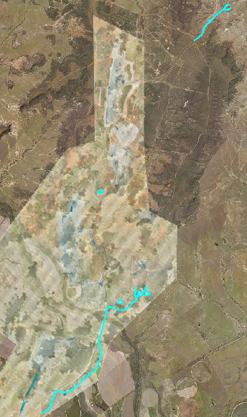
Relevant activities |  |  |  | Mine domain 2 - Landholder retained infrastructure
Total rehabilitation area size (ha) |  |  |  | 38.5
Commencement of first milestone: RM1 |  |  |  | 2028-01-31
PMLU |  |  |  | Mine domain 2 - Landholder retained infrastructure
Date area is available | 2028-01-31 | 2043-12-30 | 10/12/xxxx | 10/12/xxxx | 10/12/xxxx | 10/12/xxxx | 10/12/xxxx | 10/12/xxxx | 10/12/xxxx | 10/12/xxxx
Cumulative area available (ha) | 6.7 | 38.5
Milestone completed by | 2028-01-31 | 2043-12-30 | xx/xx/xxxx | xx/xx/xxxx | xx/xx/xxxx | xx/xx/xxxx | xx/xx/xxxx | xx/xx/xxxx | xx/xx/xxxx | xx/xx/xxxx
Milestone Reference | Cumulative area achieved (ha)
RM1 | 6.7 | 38.5
RM
RM
RM
RM

1) Insert new columns to the yellow table to include further rehabilitation milestone dates.
2) Insert new columns to the blue table to match rehabilitation milestone dates.
3) Insert new rows to the blue table to include additional rehabilitation milestone references.
4) Insert the relevant number in the "Milestone reference" column (i.e. RM1).

IA1
Non-use management area (NUMA)
Improvement area (description) |  |  | IA1 (Ramp 83) | 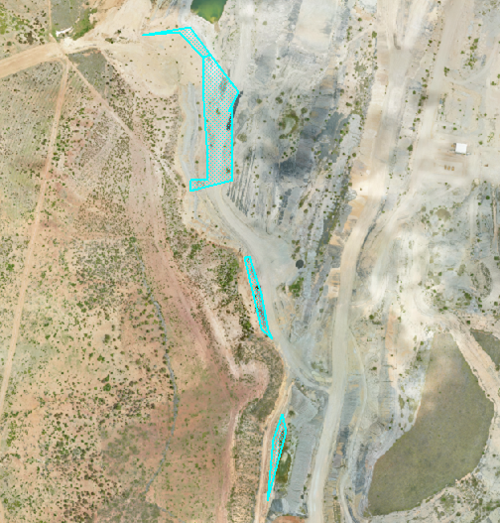
Relevant activities |  |  | Mine domain 6 - Highwalls
Total size (ha) |  |  | 3.0
Commencement of first milestone: MM1 |  |  | 2030-06-30
NUMA |  |  | Mine domain 6 - Highwalls
Date area is available | 2030-06-30
Cumulative area available (ha) | 3.0
Milestone completed by | 2032-06-30 | 2037-06-30
Milestone Reference | Cumulative area achieved (ha)
MM1 | 3.0
MM2 |  | 3.0

1) Insert new columns to the yellow table to include further management milestone dates.
2) Insert new columns to the blue table to match management milestone dates.
3) Insert new rows to the blue table to include additional management milestone references.
4) Insert the relevant number in the "Milestone reference" column (i.e. MM1).

IA2
Non-use management area (NUMA)
Improvement area (description) |  |  | IA2 (Ramp 24) | 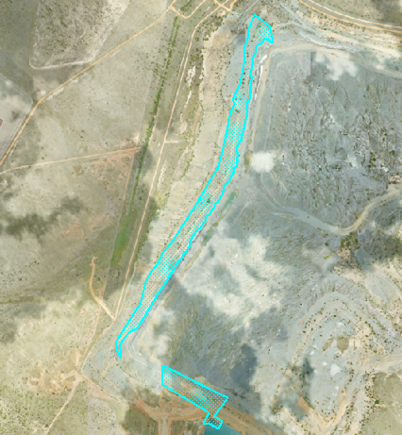
Relevant activities |  |  | Mine domain 6 - Highwalls
Total size (ha) |  |  | 18.9
Commencement of first milestone: MM1 |  |  | 2034-06-30
NUMA |  |  | Mine domain 6 - Highwalls
Date area is available | 2034-06-30
Cumulative area available (ha) | 18.9
Milestone completed by | 2036-06-30 | 2042-06-30
Milestone Reference | Cumulative area achieved (ha)
MM1 | 18.9
MM2 |  | 18.9

1) Insert new columns to the yellow table to include further management milestone dates.
2) Insert new columns to the blue table to match management milestone dates.
3) Insert new rows to the blue table to include additional management milestone references.
4) Insert the relevant number in the "Milestone reference" column (i.e. MM1).

IA3
Non-use management area (NUMA)
Improvement area (description) |  |  | IA3 (Ramp 24) | 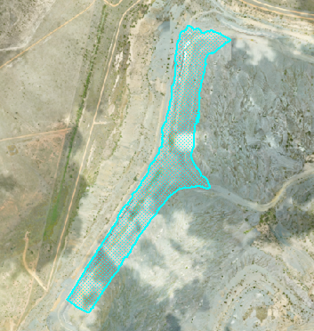
Relevant activities |  |  | Mine domain 5 - Groundwater daylighting water areas
Total size (ha) |  |  | 30.7
Commencement of first milestone: MM1 |  |  | 2034-06-30
NUMA |  |  | Mine domain 5 - Groundwater daylighting water areas
Date area is available | 2034-06-30
Cumulative area available (ha) | 30.7
Milestone completed by | 2036-06-30 | 2042-06-30
Milestone Reference | Cumulative area achieved (ha)
MM1 | 30.7
MM2 |  | 30.7

1) Insert new columns to the yellow table to include further management milestone dates.
2) Insert new columns to the blue table to match management milestone dates.
3) Insert new rows to the blue table to include additional management milestone references.
4) Insert the relevant number in the "Milestone reference" column (i.e. MM1).

IA4
Non-use management area (NUMA)
Improvement area (description) |  |  | IA4 (Ramp 7) | 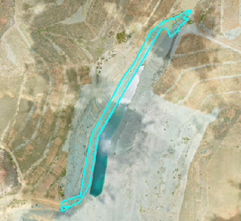
Relevant activities |  |  | Mine domain 6 - Highwalls
Total size (ha) |  |  | 7.7
Commencement of first milestone: MM1 |  |  | 2035-06-30
NUMA |  |  | Mine domain 6 - Highwalls
Date area is available | 2035-06-30
Cumulative area available (ha) | 7.7
Milestone completed by | 2037-06-30 | 2042-06-30
Milestone Reference | Cumulative area achieved (ha)
MM1 | 7.7
MM2 |  | 7.7

1) Insert new columns to the yellow table to include further management milestone dates.
2) Insert new columns to the blue table to match management milestone dates.
3) Insert new rows to the blue table to include additional management milestone references.
4) Insert the relevant number in the "Milestone reference" column (i.e. MM1).

IA5
Non-use management area (NUMA)
Improvement area (description) |  |  | IA5 (Ramp 6) | 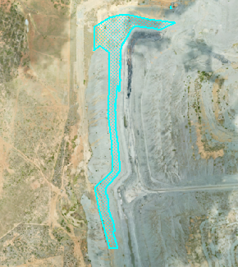
Relevant activities |  |  | Mine domain 6 - Highwalls
Total size (ha) |  |  | 11.9
Commencement of first milestone: MM1 |  |  | 2036-06-30
NUMA |  |  | Mine domain 6 - Highwalls
Date area is available | 2036-06-30
Cumulative area available (ha) | 11.9
Milestone completed by | 2038-06-30 | 2043-06-30
Milestone Reference | Cumulative area achieved (ha)
MM1 | 11.9
MM2 |  | 11.9

1) Insert new columns to the yellow table to include further management milestone dates.
2) Insert new columns to the blue table to match management milestone dates.
3) Insert new rows to the blue table to include additional management milestone references.
4) Insert the relevant number in the "Milestone reference" column (i.e. MM1).

IA6
Non-use management area (NUMA)
Improvement area (description) |  |  |  | IA6 (Ramp 6) |  |  |  | 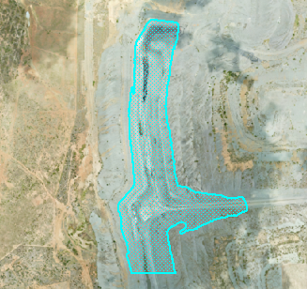
Relevant activities |  |  |  | Mine domain 5 - Groundwater daylighting water areas
Total size (ha) |  |  |  | 35.0
Commencement of first milestone: MM1 |  |  |  | 2036-06-30
NUMA |  |  |  | Mine domain 5 - Groundwater daylighting water areas
Date area is available | 2036-06-30 |  | 10/12/xxxx | 10/12/xxxx | 10/12/xxxx | 10/12/xxxx | 10/12/xxxx | 10/12/xxxx | 10/12/xxxx | 10/12/xxxx
Cumulative area available (ha) | 35.0
Milestone completed by | 2038-06-30 | 2043-06-30
Milestone Reference | Cumulative area achieved (ha)
MM1 | 35.0
MM2 |  | 35.0

1) Insert new columns to the yellow table to include further management milestone dates.
2) Insert new columns to the blue table to match management milestone dates.
3) Insert new rows to the blue table to include additional management milestone references.
4) Insert the relevant number in the "Milestone reference" column (i.e. MM1).

IA7
Non-use management area (NUMA)
Improvement area (description) |  |  |  | IA7 (Ramp 5) |  |  |  | 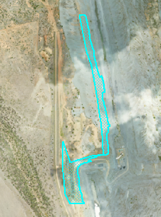
Relevant activities |  |  |  | Mine domain 6 - Highwalls
Total size (ha) |  |  |  | 8.6
Commencement of first milestone: MM1 |  |  |  | 2038-06-30
NUMA |  |  |  | Mine domain 6 - Highwalls
Date area is available | 2038-06-30 |  | 10/12/xxxx | 10/12/xxxx | 10/12/xxxx | 10/12/xxxx | 10/12/xxxx | 10/12/xxxx | 10/12/xxxx | 10/12/xxxx
Cumulative area available (ha) | 8.6
Milestone completed by | 2040-06-30 | 2045-06-30
Milestone Reference | Cumulative area achieved (ha)
MM1 | 8.6
MM2 |  | 8.6

1) Insert new columns to the yellow table to include further management milestone dates.
2) Insert new columns to the blue table to match management milestone dates.
3) Insert new rows to the blue table to include additional management milestone references.
4) Insert the relevant number in the "Milestone reference" column (i.e. MM1).

IA8
Non-use management area (NUMA)
Improvement area (description) |  |  |  | IA8 (Ramp 5) |  |  |  | 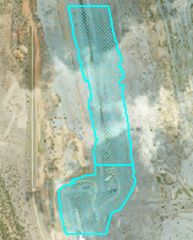
Relevant activities |  |  |  | Mine domain 5 - Groundwater daylighting water areas
Total size (ha) |  |  |  | 32.4
Commencement of first milestone: MM1 |  |  |  | 2038-06-30
NUMA |  |  |  | Mine domain 5 - Groundwater daylighting water areas
Date area is available | 2038-06-30 |  | 10/12/xxxx | 10/12/xxxx | 10/12/xxxx | 10/12/xxxx | 10/12/xxxx | 10/12/xxxx | 10/12/xxxx | 10/12/xxxx
Cumulative area available (ha) | 32.4
Milestone completed by | 2040-06-30 | 2045-06-30
Milestone Reference | Cumulative area achieved (ha)
MM1 | 32.4
MM2 |  | 32.4

1) Insert new columns to the yellow table to include further management milestone dates.
2) Insert new columns to the blue table to match management milestone dates.
3) Insert new rows to the blue table to include additional management milestone references.
4) Insert the relevant number in the "Milestone reference" column (i.e. MM1).

IA9
Non-use management area (NUMA)
Improvement area (description) |  |  |  | IA9 (A Pit) |  |  |  | 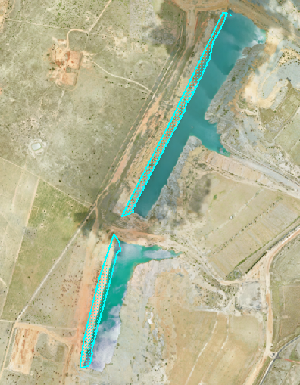
Relevant activities |  |  |  | Mine domain 6 - Highwalls
Total size (ha) |  |  |  | 12.9
Commencement of first milestone: MM1 |  |  |  | 2039-06-30
NUMA |  |  |  | Mine domain 6 - Highwalls
Date area is available | 2039-06-30 |  | 10/12/xxxx | 10/12/xxxx | 10/12/xxxx | 10/12/xxxx | 10/12/xxxx | 10/12/xxxx | 10/12/xxxx | 10/12/xxxx
Cumulative area available (ha) | 12.9
Milestone completed by | 2041-06-30 | 2046-06-30
Milestone Reference | Cumulative area achieved (ha)
MM1 | 12.9
MM2 |  | 12.9

1) Insert new columns to the yellow table to include further management milestone dates.
2) Insert new columns to the blue table to match management milestone dates.
3) Insert new rows to the blue table to include additional management milestone references.
4) Insert the relevant number in the "Milestone reference" column (i.e. MM1).

IA10
Non-use management area (NUMA)
Improvement area (description) |  |  |  | IA10 (A Pit) |  |  |  | 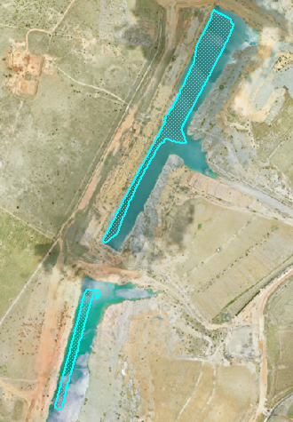
Relevant activities |  |  |  | Mine domain 5 - Groundwater daylighting water areas
Total size (ha) |  |  |  | 14.3
Commencement of first milestone: MM1 |  |  |  | 2039-06-30
NUMA |  |  |  | Mine domain 5 - Groundwater daylighting water areas
Date area is available | 2039-06-30 |  | 10/12/xxxx | 10/12/xxxx | 10/12/xxxx | 10/12/xxxx | 10/12/xxxx | 10/12/xxxx | 10/12/xxxx | 10/12/xxxx
Cumulative area available (ha) | 14.3
Milestone completed by | 2041-06-30 | 2046-06-30
Milestone Reference | Cumulative area achieved (ha)
MM1 | 14.3
MM2 |  | 14.3

1) Insert new columns to the yellow table to include further management milestone dates.
2) Insert new columns to the blue table to match management milestone dates.
3) Insert new rows to the blue table to include additional management milestone references.
4) Insert the relevant number in the "Milestone reference" column (i.e. MM1).

IA11
Non-use management area (NUMA)
Improvement area (description) |  |  |  | IA11 (Ramp 3 & 4) |  |  |  | 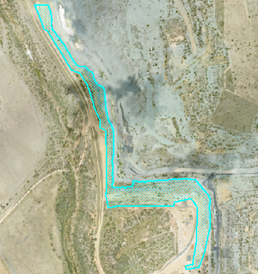
Relevant activities |  |  |  | Mine domain 6 - Highwalls
Total size (ha) |  |  |  | 23.1
Commencement of first milestone: MM1 |  |  |  | 2040-06-30
NUMA |  |  |  | Mine domain 6 - Highwalls
Date area is available | 2040-06-30 |  | 10/12/xxxx | 10/12/xxxx | 10/12/xxxx | 10/12/xxxx | 10/12/xxxx | 10/12/xxxx | 10/12/xxxx | 10/12/xxxx
Cumulative area available (ha) | 23.1
Milestone completed by | 2042-06-30 | 2047-06-30
Milestone Reference | Cumulative area achieved (ha)
MM1 | 23.1
MM2 |  | 23.1

1) Insert new columns to the yellow table to include further management milestone dates.
2) Insert new columns to the blue table to match management milestone dates.
3) Insert new rows to the blue table to include additional management milestone references.
4) Insert the relevant number in the "Milestone reference" column (i.e. MM1).

IA12
Non-use management area (NUMA)
Improvement area (description) |  |  |  | IA12 (Ramp 4) |  |  |  | 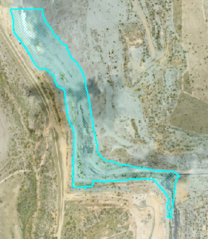
Relevant activities |  |  |  | Mine domain 5 - Groundwater daylighting water areas
Total size (ha) |  |  |  | 33.4
Commencement of first milestone: MM1 |  |  |  | 2040-06-30
NUMA |  |  |  | Mine domain 5 - Groundwater daylighting water areas
Date area is available | 2040-06-30 |  | 10/12/xxxx | 10/12/xxxx | 10/12/xxxx | 10/12/xxxx | 10/12/xxxx | 10/12/xxxx | 10/12/xxxx | 10/12/xxxx
Cumulative area available (ha) | 33.4
Milestone completed by | 2042-06-30 | 2047-06-30
Milestone Reference | Cumulative area achieved (ha)
MM1 | 33.4
MM2 |  | 33.4

1) Insert new columns to the yellow table to include further management milestone dates.
2) Insert new columns to the blue table to match management milestone dates.
3) Insert new rows to the blue table to include additional management milestone references.
4) Insert the relevant number in the "Milestone reference" column (i.e. MM1).

