Instructions
Progressive Rehabilitation and Closure Plan Schedule template
Instructions
General Instructions:
- This form can be used for completing a PRCP schedule for the submission of a progressive rehabilitation and closure plan (PRC plan).
- See the PRCP schedule section of the PRC plan guideline (ESR/2019/4964) for further information requirements.
- A default value of one (1) Rehabilitation Area (RA) is represented by one RA sheets below (RA1).
- A default value of one (1) Improvement Area (IA) is represented by one IA sheet below (IA1).
- To record additional RAs for your project make a copy of the RA sheet below and update it to the relevant RA number (i.e. RA2).
- To record additional IAs for your project make a copy of the IA sheet below and update it to the relevant IA number (i.e. IA2).
- To remove the IA sheet if there is no IA for your project, delete the IA sheet below.
- Each RA and IA sheet contains two separate excel tables (yellow and blue) for recording the time-based rehabilitation milestones.
- Add a new column or row to each table as required for your information requirements.
- Two (2) separate sheets below exist for recording the "Rehabilitation Area Milestones" and "Improvement Area Milestones".
- Delete the Improvement Area Milestone sheet if it does not apply to your project.
- Delete additional rows in either sheet if they do not apply to your project.
- See the PRC plan guideline for a list of reference milestones and further information for developing additional site-specific milestones where appropriate.
Further Instructions when inputting PMLUs
Headings under Rehabilitation Area (RA) sheets
Rehabilitation area - The rehabilitation area must align with the spatial information included in the rehabilitation planning part of the PRC plan. This area must have the same PMLU and same milestones applied to the whole area.
Relevant activities - The relevant activities must align with the activities identified in the rehabilitation planning part of the PRC plan. The relevant activities are those undertaken within the rehabilitation area prior to land becoming available for rehabilitation.
Total size of rehabilitation area (ha) - Total size of rehabilitation area in hectares.
Commencement of first milestone - The applicant must nominate a date for when the first milestone for the rehabilitation area will commence. The milestone reference for the first milestone must be included in the heading.
PMLU - The PMLU must align with those identified in the rehabilitation planning part of the PRC plan and in the proposed final site design.
Date area is available - The PRCP schedule must identify when land within the rehabilitation area becomes available for rehabilitation. If the whole rehabilitation area becomes available at once there should be only one date. If the rehabilitation areas becomes available progressively there should be multiple dates. These dates should reflect the information provided in the rehabilitation planning part of the PRC plan.
Cumulative area available (ha) - The PRCP schedule must identify the area of land within the rehabilitation area that will become available at a given time.
Milestone completed by - The PRCP schedule must identify completion dates for milestones to be completed.
Cumulative area achieved (ha) - The PRCP schedule must show how progressive rehabilitation is being achieved over the life of the mine. This section must reflect the proposed rehabilitation work required for the rehabilitation area to achieve stable condition. The milestone reference to be included refers back to the Rehabilitation Area Milestones sheet with the detailed milestone criteria. The milestones must be achieved consecutively.
Headings under Rehabilitation Area Milestones sheet
Rehabilitation milestone & Milestone criteria - The “rehabilitation milestone” is a short description of the rehabilitation activities. The "milestone criteria" must be able to demonstrate achievement of the milestone.
Further Instructions when inputting NUMAs
Headings under Improvement Area (IA) sheets
Improvement area - The improvement area must align with the spatial information included in the rehabilitation planning part of the PRC plan. This area must have the same NUMA and same milestones applied to the whole area.
Relevant activities - The relevant activities must align with the activities identified in the rehabilitation planning part of the PRC plan. The relevant activities are those undertaken within the improvement area prior to land becoming available for improvement.
Total size (ha) - Total size of improvement area in hectares.
Commencement of first milestone - The applicant must nominate a date for when the first milestone for the improvement area will commence. The milestone reference for the first milestone must be included in the heading.
NUMA - The NUMA must align with those identified in the rehabilitation planning part of the PRC plan and in the proposed final site design.
Date area is available - The PRCP schedule must identify when land within the improvement area becomes available for improvement. If the whole improvement area becomes available at once there should be only one date. If the improvement areas becomes available progressively there should be multiple dates. These dates should reflect the information provided in the rehabilitation planning part of the PRC plan.
Cumulative area available (ha) - The PRCP schedule must identify the area of land within the improvement area that will become available at a given time.
Milestone completed by - The PRCP schedule must identify completion dates for milestones to be completed.
Cumulative area achieved (ha) - The PRCP schedule must show how progressive improvement is being achieved over the life of the mine. This section must reflect the proposed management work required for the improvement area to achieve sufficient improvement. The milestone reference refers back to the Improvement Area Milestones sheet with the detailed milestone criteria. The milestones must be achieved consecutively.
Headings under Improvement Area Milestones sheet
Management milestone & Milestone criteria - The “management milestone” is a short description of the management activities. The "milestone criteria" must be able to demonstrate achievement of the milestone.

ESR/2019/5103 • Version 1.00 • Effective: 01 November 2019 Department of Environment and Science

Rehabilitation Area Milestones
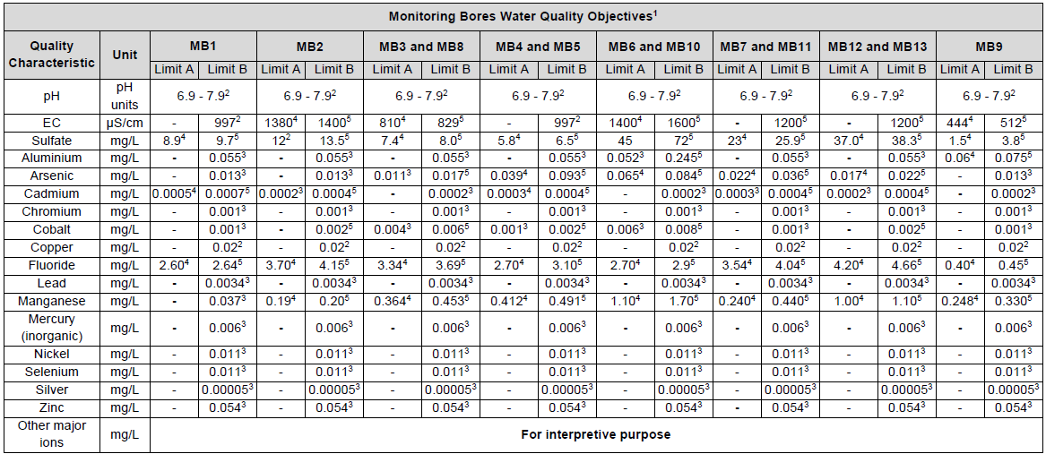
Milestone reference | Rehabilitation milestone | Milestone criteria | Column1
RM1 | Infrastructure Decommissioning and Removal | 1. All services, e.g. water, electricity, gas, are disconnected and terminated 2. All pipelines associated with the mining activity are removed 3. All buildings are demolished and removed 4. All road materials (concrete, bitumen, gravel) removed where not to be retained 5. All fencing removed, where not be retained as part of the PMLU 6. All machinery and equipment removed 7. All non-required surface water drainage infrastructure removed 8. All waste removed and disposed of in accordance with Environmental Authority (EA) EPVL00864413
RM2 | Remediation of Contaminated Land | 1. A preliminary comminated land investigation is undertaken and a report is prepared by an Appropriately Qualified Person (AQP)1. 2. All hazardous and contaminated materials have been assessed and identified by an AQP, and disposed of lawfully 3. A contaminated land investigation document has been prepared by an AQP containing a site suitability statement confirming that land is not contaminated and is suitable for the proposed PMLU.
RM3 | Landform Development and reshaping / reprofiling | 1. Dalcouth Pit backfilled to at least pre-mining ground surface and consistent with pre-mining contours averaging 12% and self-draining 2. Waste rock dump cover installed (Min. 1m thickness of compacted rock) to minimise erosion and reduce rainfall infiltration 3. Upper surface of waste rock dump to be free draining slope of 1% 4. Dalcouth Pit backfill and waste rock dump side batters constructed to 5% slopes, where applicable 5. Geotechnical assessment of Summerhill Pit undertaken by AQP to ensure proposed design is safe and stable for the grazing PMLU 6. Batter slopes at Summerhill Pit achieve an overall slope angle of no greater than 48 degrees in weathered rock, 57 degrees in fresh rock 7. Floor of Summerhill Pit achieve design slope of no more than 1% 8. New TSF capped installed (Min 0.2m trafficability layer, min 0.2m low permeability layer, min 0.4m capillary break) to provide geotechnical stability and reduce rainfall infiltration 9. New TSF Upper surface is free draining towards spillway (approx. 2 degrees slope) 10. Existing TSF embankment removed 11. Re-established approximate pre-disturbance contours in the Existing TSF valley area (slope approximately 10% to 30%) 12. All major earthworks completed 13. Drainage structures to be designed by AQP to meet criteria required at the time of construction 14. All erosion and sediment control systems have been installed 15. Final landform surveyed by an AQP, assessed as geotechnically stable and consistent with the construction designs (Appendix 5 of the PRCP) 16. Drainage rates from the cover system into the new TSF are <1x10-8 m/s 17. New TSF cover system has been constructed according to design and certified by AQP
RM4 | Surface Preparation | 1. Spread adequate sub-soil material over shaped surfaces - minimum 22.5cm 2. Spread adequate topsoil material over shaped surfaces - average 15cm 3. An assessment of the placed growth media health and suitability completed by an AQP to confirm soil is suitable for target vegetation establishment 4. Any fertilisers/ameliorants recommended as a result of the soil assessment have been applied at the rate recommended by the AQP 5. Perform ripping and/or surface contouring to minimise soil loss and encourage rain infiltration and vegetation uptake
RM5 | Revegetation (Grazing) | 1. Revegetation strategy reviewed by AQP and Revegetation Plan prepared, including selection of appropriate analogue and monitoring sites, if recommended 2. Seeding has been completed with recommended seeding mix shown at Table 1 at a rate of 1kg/ha for canopy species and up to 7kg/ha for grass/shrub species, or as amended by the AQP at RM5-1 3. Timing of seeding to align with wet weather to coincide with elevated levels of soil moisture 4. Stock exclusion fencing installed around all areas that have been seeded
RM6 | Achievement of Surface Requirements (Grazing) | 1. Measured indices at rehabilitated sites for Grazing within a 50x5m plot: a) At least three of the tree and shrub species, and three of the ground cover species listed in Table 1 are present; b) ≥70% of target species have germinated c) Percentage ground cover ≥ 50% of that recorded at analogue sites as nominated in RM1-1; and d) Weed density no more than 10% greater than the percentage cover at analogue sites. 2. Landform certified as geotechnically stable, i.e having achieved a safety factor greater than 1.5 3. Drainage meets design criteria as per RM3-13 4. No signs of active erosion meeting classification of Severe2, i.e. erosion features that would prevent reinstatement of the grazing PMLU
RM7 | Achieved PMLU to Stable Condition(Grazing) | 1. Measured indices at rehabilitated sites for Grazing within a 50x5m plot:: a) ≥70% of the productivity (carrying capacity measured as pasture biomass) of that recorded at analogue sitesas nominated in RM5-1; b) Percentage ground cover ≥ 50% of that recorded at analogue sites; and c) Weed density no more than 10% greater than the percentage cover at analogue sites. 2. Land suitability class of ≤3, based on the latest version of the ‘Guidelines for Agricultural Land Evaluation in Queensland’ as assessed by an AQP. 3. Maintenance requirements for rehabilitated land is no greater than that required for the land prior to its disturbance. 4. Erosion assessment of final landform: No evidence of erosion classified as Moderate and Severe2; drainage follows intended and appropriate drainage paths 5. Average sediment erosion rate of less than 5 t/ha/y has been achieved 6. Sediment and erosion control structures removed after disturbed areas are classed as stable 7. Stock exclusion fencing removed from around revegetation areas 8. Surface water quality monitored monthly during flow at, but not limited to, downstream locations specified in Table 1 must not exceed the limits in Table 2, for a minimum of 2 consecutive years. 9. If the surface water quality exceeds criteria 8 above, the applicable reference site must be compared to the downstream site result; and quality measured at a downstream site must be equal to or less than the quality measured at the applicable reference site. 10. For a minimum of 2 consecutive years groundwater must be monitored quarterly at, but not limited to, compliance bores specified in Table 3, for all quality characteristics listed in Table 4. 11. Groundwater quality results must not exceed the limits in Table 4, for three consecutive results.
RM8 | Achieved PMLU (Infrastructure) | 1. Final landform survey confirms no structures or equipment remain other than those documented in a landholder agreement. 2. No erosion classification of Severe or Extreme2. 3. Landform shows suitable slope gradients e.g. <20% except to connect with surrounding natural topography. 4. Hazard and Safety Assessment completed by an appropriately qualified person demonstrating hazards in rehabilitation areas are consistent with the nature and severity of hazards typical of neighboring equivalent land use. Identified residual hazards are low risk with no significant increase in risk expected over time.

1Appropriately qualified person means a person who has professional qualifications, training, skills or experience relevant to the nominated subject matter and can give authoritative assessment, advice and analysis on performance relating to the subject matter using the relevant protocols, standards, methods or literature.

2Erosion classification framework:

Table 1 - Revegetation Species List
Scientific Name | Common Name
Tree
Corymbia citriodora | Lemon-scented gum
Corymbia clarksoniana | Clarkson’s bloodwood
Corymbia dallachiana | Dallachy’s gum
Eucalyptus cloeziana | Gympie messmate
Eucalyptus crebra | Narrow-leaf ironbark
Eucalyptus portuensis | Mahogany
Eucalyptus atrata | Herberton Ironbark
Eucalyptus cullenii | Cullens Ironbark
Ficus opposite | Sandpaper fig
Maytenus cunninghamii | Yellowberry bush
Shrub
Acacia calyculata | -
Acacia decora | Showy wattle
Acacia holosericea | -
Acacia simsii | Sim’s wattle
Acacia disparrima | Hickory wattle
Forb
Dianella nervosa | Flax lily
Lomandra filiformis | Wattle mat-rush
Lomandra multiflora | Many-flowered mat-rush
Grass
Setaria surgens | Pidgeon grass
Themenda triandra | Kangaroo Grass
Alleteropsis semialata | Cockatoo Grass

Table 2 - Surface water monitoring locations (as per Table E1 of the EA)
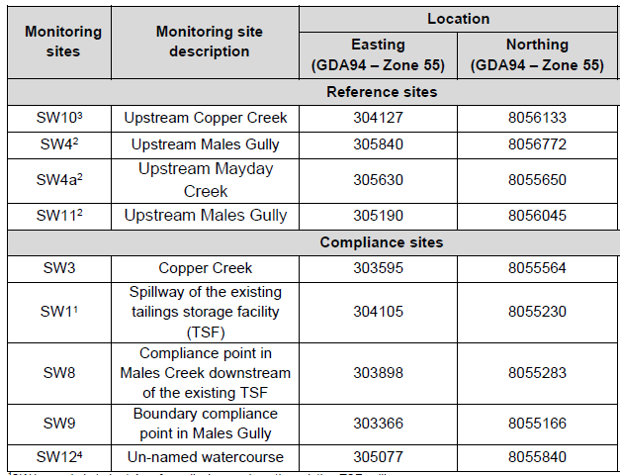

Table 3 - Surface water objectives (as per Table E2 of the EA)
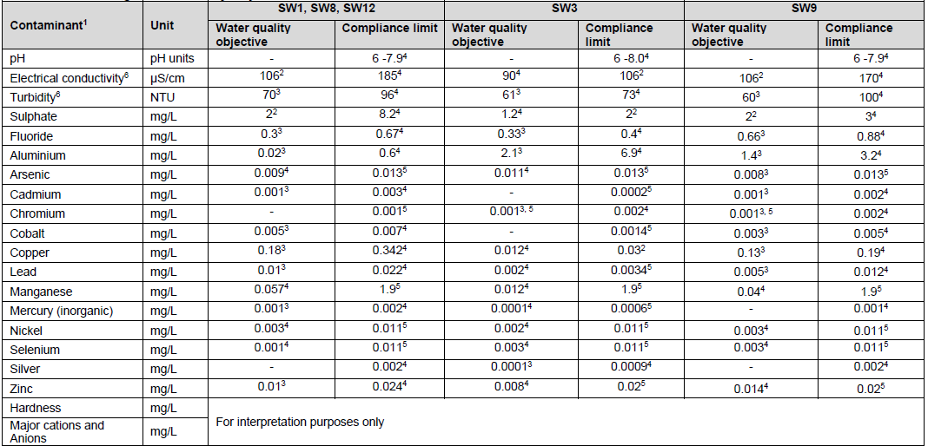

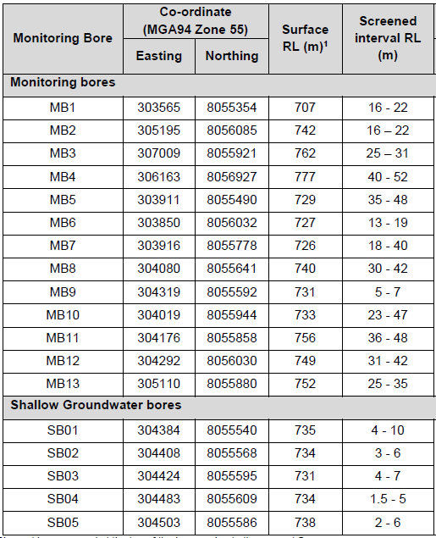
Table 4 - Groundwater monitoring locations (as per Table E3 of the EA)

Table 5 - Groundwater quality objectives (as per Table E4 of the EA)

