Instructions
Progressive Rehabilitation and Closure Plan Schedule template
Instructions
General Instructions:
- This form can be used for completing a PRCP schedule for the submission of a progressive rehabilitation and closure plan (PRC plan).
- See the PRCP schedule section of the PRC plan guideline (ESR/2019/4964) for further information requirements.
- A default value of one (1) Rehabilitation Area (RA) is represented by one RA sheets below (RA1).
- A default value of one (1) Improvement Area (IA) is represented by one IA sheet below (IA1).
- To record additional RAs for your project make a copy of the RA sheet below and update it to the relevant RA number (i.e. RA2).
- To record additional IAs for your project make a copy of the IA sheet below and update it to the relevant IA number (i.e. IA2).
- To remove the IA sheet if there is no IA for your project, delete the IA sheet below.
- Each RA and IA sheet contains two separate excel tables (yellow and blue) for recording the time-based rehabilitation milestones.
- Add a new column or row to each table as required for your information requirements.
- Two (2) separate sheets below exist for recording the "Rehabilitation Area Milestones" and "Improvement Area Milestones".
- Delete the Improvement Area Milestone sheet if it does not apply to your project.
- Delete additional rows in either sheet if they do not apply to your project.
- See the PRC plan guideline for a list of reference milestones and further information for developing additional site-specific milestones where appropriate.
Further Instructions when inputting PMLUs
Headings under Rehabilitation Area (RA) sheets
Rehabilitation area - The rehabilitation area must align with the spatial information included in the rehabilitation planning part of the PRC plan. This area must have the same PMLU and same milestones applied to the whole area.
Relevant activities - The relevant activities must align with the activities identified in the rehabilitation planning part of the PRC plan. The relevant activities are those undertaken within the rehabilitation area prior to land becoming available for rehabilitation.
Total size of rehabilitation area (ha) - Total size of rehabilitation area in hectares.
Commencement of first milestone - The applicant must nominate a date for when the first milestone for the rehabilitation area will commence. The milestone reference for the first milestone must be included in the heading.
PMLU - The PMLU must align with those identified in the rehabilitation planning part of the PRC plan and in the proposed final site design.
Date area is available - The PRCP schedule must identify when land within the rehabilitation area becomes available for rehabilitation. If the whole rehabilitation area becomes available at once there should be only one date. If the rehabilitation areas becomes available progressively there should be multiple dates. These dates should reflect the information provided in the rehabilitation planning part of the PRC plan.
Cumulative area available (ha) - The PRCP schedule must identify the area of land within the rehabilitation area that will become available at a given time.
Milestone completed by - The PRCP schedule must identify completion dates for milestones to be completed.
Cumulative area achieved (ha) - The PRCP schedule must show how progressive rehabilitation is being achieved over the life of the mine. This section must reflect the proposed rehabilitation work required for the rehabilitation area to achieve stable condition. The milestone reference to be included refers back to the Rehabilitation Area Milestones sheet with the detailed milestone criteria. The milestones must be achieved consecutively.
Headings under Rehabilitation Area Milestones sheet
Rehabilitation milestone & Milestone criteria - The “rehabilitation milestone” is a short description of the rehabilitation activities. The "milestone criteria" must be able to demonstrate achievement of the milestone.
Further Instructions when inputting NUMAs
Headings under Improvement Area (IA) sheets
Improvement area - The improvement area must align with the spatial information included in the rehabilitation planning part of the PRC plan. This area must have the same NUMA and same milestones applied to the whole area.
Relevant activities - The relevant activities must align with the activities identified in the rehabilitation planning part of the PRC plan. The relevant activities are those undertaken within the improvement area prior to land becoming available for improvement.
Total size (ha) - Total size of improvement area in hectares.
Commencement of first milestone - The applicant must nominate a date for when the first milestone for the improvement area will commence. The milestone reference for the first milestone must be included in the heading.
NUMA - The NUMA must align with those identified in the rehabilitation planning part of the PRC plan and in the proposed final site design.
Date area is available - The PRCP schedule must identify when land within the improvement area becomes available for improvement. If the whole improvement area becomes available at once there should be only one date. If the improvement areas becomes available progressively there should be multiple dates. These dates should reflect the information provided in the rehabilitation planning part of the PRC plan.
Cumulative area available (ha) - The PRCP schedule must identify the area of land within the improvement area that will become available at a given time.
Milestone completed by - The PRCP schedule must identify completion dates for milestones to be completed.
Cumulative area achieved (ha) - The PRCP schedule must show how progressive improvement is being achieved over the life of the mine. This section must reflect the proposed management work required for the improvement area to achieve sufficient improvement. The milestone reference refers back to the Improvement Area Milestones sheet with the detailed milestone criteria. The milestones must be achieved consecutively.
Headings under Improvement Area Milestones sheet
Management milestone & Milestone criteria - The “management milestone” is a short description of the management activities. The "milestone criteria" must be able to demonstrate achievement of the milestone.

ESR/2019/5103 • Version 1.00 • Effective: 01 November 2019 Department of Environment and Science

Appendix 4
4

Appendix 3
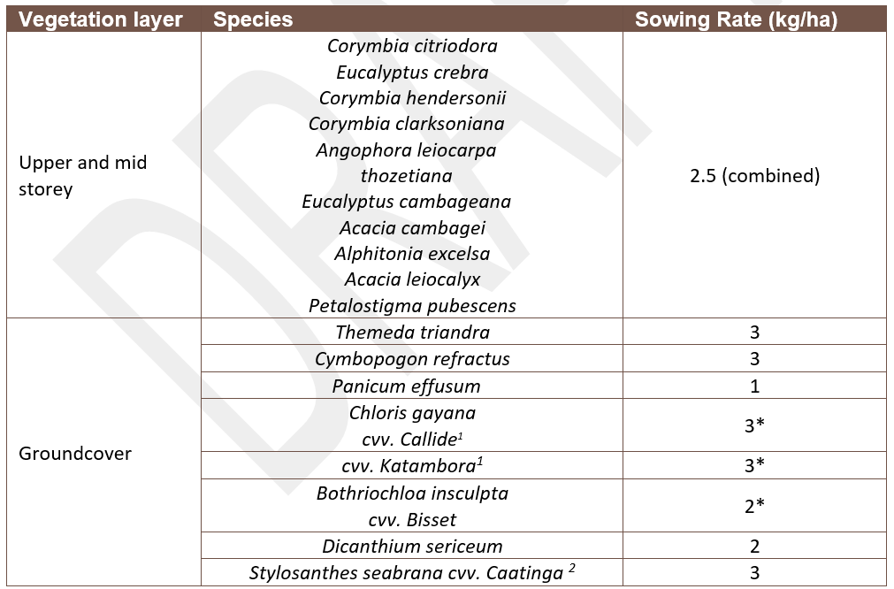
Appendix 3: Recommended species to be established at the Woodland habitat at RA7

Appendix 7
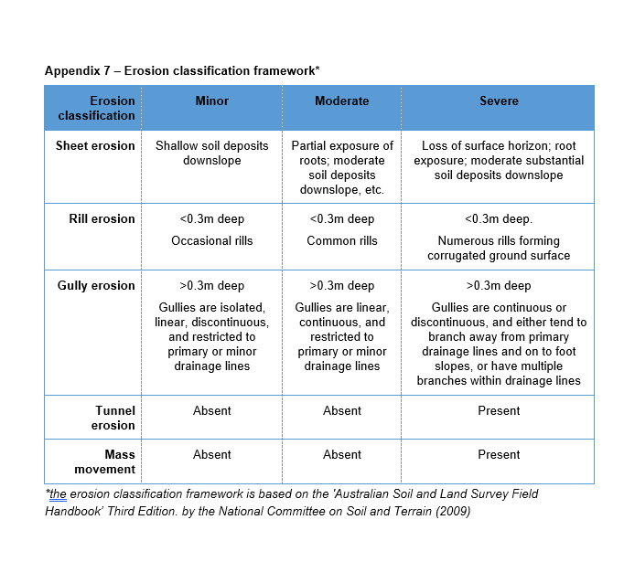

Appendix 8
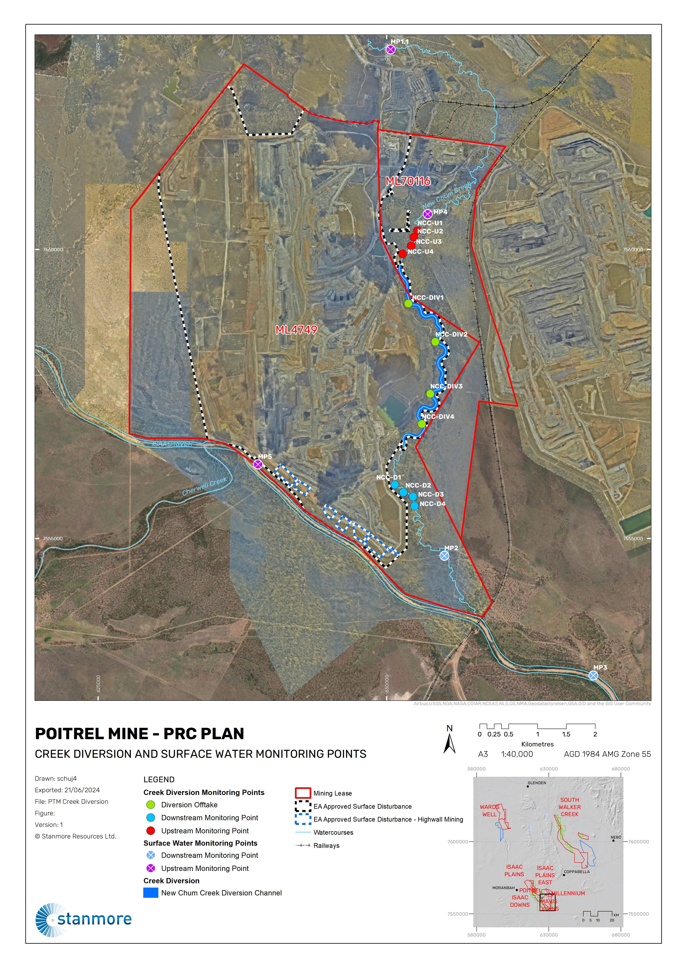
Appendix 8: Receiving Water Upstream Background Sites and Downstream Monitoring Points

Monitoring Point (MP) | Receiving Water Location Description | Latitude (DD GDA2020) | Latitude (DD GDA2020)
Upstream Background Monitroing Points
MP4 | New Chum Creek – upstream of the diversion | -22.0526462 | 148.2678219
MP5 | Isaac River – 4760m upstream of the confluence of New Chum Creek and Isaac River | -22.0925713 | 148.2391622
Downstream Monitoring Points
MP2 | New Chum Creek – downstream of the diversion | -22.1061167 | 148.2711223
MP3 | Isaac River – 3000m downstream of the confluence of New Chum Creek and Isaac River | -22.1246123 | 148.2962859
Creek DiversionMonitoring
NCC - DIV1 | Diversion offtake | -22.0667298 | 148.2647278
NCC-DIV2 | Diversion offtake | -22.0726742 | 148.2692871
NCC-DIV3 | Diversion offtake | -22.0808008 | 148.2685069
NCC-DIV4 | Diversion offtake | -22.0855266 | 148.2671341
NCC-D1 | Downstream monitroing point | -22.0950454 | 148.2627022
NCC-D2 | Downstream monitroing point | -22.0962445 | 148.2641571
NCC-D3 | Downstream monitroing point | -22.0969004 | 148.2657817
NCC-D4 | Downstream monitroing point | -22.0983616 | 148.2660467
NCC-U1 | Upstream monitoring point | -22.0553012 | 148.2661475
NCC-U2 | Upstream monitoring point | -22.0563538 | 148.2655367
NCC-U3 | Upstream monitoring point | -22.057712 | 148.2651127
NCC-U4 | Upstream monitoring point | -22.0589694 | 148.2636995

Appendix 9
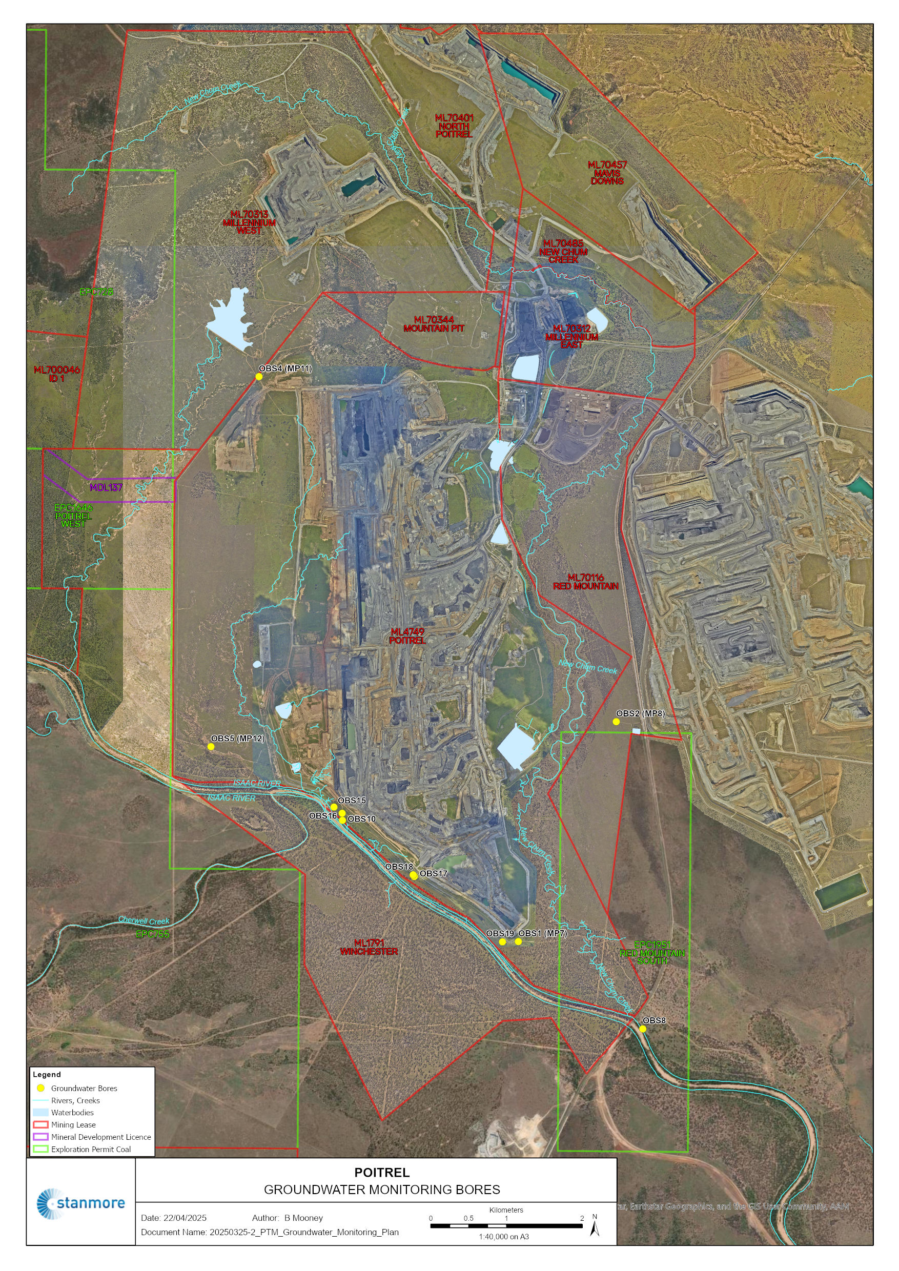
Appendix 9: Ground water Monitoring Points

Monitoring Bore | Hydrogeological unit | Surface RL (mAHD) | Location (GDA2020)
 |  |  | Easting | Northing
Interpretation Bores
OBS4 (MP11) | Rewan Group | 229.3 | -22.039648 | 148.228673
Compliance Bores
OBS1 (MP7) | RCM Interburden | 193.18 | -22.106834 | 148.262497
OBS2 (MP8) | RCM Interburden | 215.7 | -22.080486 | 148.274797
OBS5 (MP12) | Alluvium | 194.4 | -22.08387 | 148.222921
OBS8 | Tertiary Unconsolidated Sand | 192.94 | -22.117119 | 148.278513
OBS10 | Leichart | 194.36 | -22.09252 | 148.239821
OBS15 | Alluvium/Tertiary | 199.7 | -22.09096 | 148.238741
OBS16 | Permian Coal Measures (Leichardt Seam) | 199.77 | -22.091702 | 148.239799
OBS17 | Alluvium/Tertiary | 193.53 | -22.099164 | 148.249081
OBS18 | Permian Coal Measures (Vermont Seam) | 193.93 | -22.098976 | 148.248939
OBS19 | Base of Alluvium/Tertiary sediments | 194.14 | -22.106872 | 148.26045

